EC4
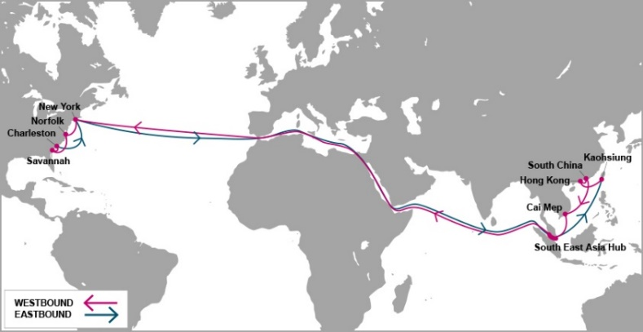

 |  | EC4 - EAST COAST 4 SERVICE

Mother Vessel / Voyage | VSL CODE | ETD TCIT | NEW YORK, NY (NYC - 27 days) | NORFOLK, VA (ORF - 30 days) | SAVANNAH, GA (SAV - 32 days) | CHARLESTON, SC (CHS - 34 days)
 |  | SATURDAY
ONE IBIS V.0016E | OIIT0016E | 2019-07-06 | 2019-08-02 | 2019-08-04 | 2019-08-07 | 2019-08-09
MADRID BRIDGE V.0006E | MDBT0006E | 2019-07-13 | 2019-08-09 | 2019-08-11 | 2019-08-14 | 2019-08-16
MONACO BRIDGE V.0007E | NCBT0007E | 2019-07-20 | 2019-08-16 | 2019-08-18 | 2019-08-21 | 2019-08-23
YM WIND V.0011E | YWBT0011E | 2019-07-27 | 2019-08-23 | 2019-08-25 | 2019-08-28 | 2019-08-30
ONE APUS V.0002E | ONPT0002E | 2019-08-03 | 2019-08-30 | 2019-09-01 | 2019-09-04 | 2019-09-06
ANTWERPEN EXPRESS V.0032E | APXT0032E | 2019-08-10 | 2019-09-06 | 2019-09-08 | 2019-09-11 | 2019-09-13
ONE STORK V.0006E | OSTT0006E | 2019-08-17 | 2019-09-13 | 2019-09-15 | 2019-09-18 | 2019-09-20
MILANO BRIDGE V.0008E | LNBT0008E | 2019-08-24 | 2019-09-20 | 2019-09-22 | 2019-09-25 | 2019-09-27
YM WORLD V.0023E | WORT0023E | 2019-08-31 | 2019-09-27 | 2019-09-29 | 2019-10-02 | 2019-10-04
YM WORLD V.0015E | NYCT0015E | 2019-09-07 | 2019-10-04 | 2019-10-06 | 2019-10-09 | 2019-10-11
NYK CRANE V.0012E | NFCT0012E | 2019-09-14 | 2019-10-11 | 2019-10-13 | 2019-10-16 | 2019-10-18
ONE IBIS V.0016E | OIIT0016E | 2019-09-21 | 2019-10-18 | 2019-10-20 | 2019-10-23 | 2019-10-25
MADRID BRIDGE V.0007E | MDBT0007E | 2019-09-28 | 2019-10-25 | 2019-10-27 | 2019-10-30 | 2019-11-01
MONACO BRIDGE V.0008E | NCBT0008E | 2019-10-05 | 2019-11-01 | 2019-11-03 | 2019-11-06 | 2019-11-08
YM WIND V.0012E | YWBT0012E | 2019-10-12 | 2019-11-08 | 2019-11-10 | 2019-11-13 | 2019-11-15
ONE APUS V.0003E | ONPT0003E | 2019-10-19 | 2019-11-15 | 2019-11-17 | 2019-11-20 | 2019-11-22
ANTWERPEN EXPRESS V.0033E | APXT0033E | 2019-10-26 | 2019-11-22 | 2019-11-24 | 2019-11-27 | 2019-11-29
ONE STORK V.0007E | OSTT0007E | 2019-11-02 | 2019-11-29 | 2019-12-01 | 2019-12-04 | 2019-12-06
MILANO BRIDGE V.0009E | LNBT0009E | 2019-11-09 | 2019-12-06 | 2019-12-08 | 2019-12-11 | 2019-12-13
YM WORLD V.0024E | WORT0024E | 2019-11-16 | 2019-12-13 | 2019-12-15 | 2019-12-18 | 2019-12-20
TBA | 7F4T0001E | 2019-11-23 | 2019-12-20 | 2019-12-22 | 2019-12-25 | 2019-12-27
NYK CRANE V.0013E | NFCT0013E | 2019-11-30 | 2019-12-27 | 2019-12-29 | 2020-01-01 | 2020-01-03
ONE IBIS V.0017E | OIIT0017E | 2019-12-07 | 2020-01-03 | 2020-01-05 | 2020-01-08 | 2020-01-10
MADRID BRIDGE V.0008E | MDBT0008E | 2019-12-14 | 2020-01-10 | 2020-01-12 | 2020-01-15 | 2020-01-17
MONACO BRIDGE V.0009E | NCBT0009E | 2019-12-21 | 2020-01-17 | 2020-01-19 | 2020-01-22 | 2020-01-24
Schedule is subject to changes with/without prior notice.
CY CUT OFF TIME |  |  |  | CONTACT US
Cai Mep (TCIT port): 05:00 AM Friday. |  |  |  | Ocean Network Express (Vietnam) Co., Ltd.
Cat Lai / ICDs (Tanamexco, Phuc Long, Transimex, Dong Nai, Binh Duong): 05:00 AM Thursday. |  |  |  | 3F mPlaza Saigon, 39 Le Duan Street, District 1, HCMC, VN
 |  |  |  | Tel & Fax: 02844582600
VGM cut off = CY cut off |  |  |  | CUS PIC: VN.SGN.CSVC.NA.LA@one-line.com
 |  |  |  | SLS PIC: VN.SGN.SALES.NA.LA@one-line.com
S/I cut off time: 10:00 AM Wednesday.
Amendment B/L before: 16:00 PM Wednesday.

For required information for your AMS filing, please refer via below links:
Vessel details: |  | https://www.one-line.com/en/vessels
Itinerary details: |  | https://ecomm.one-line.com/ecom/CUP_HOM_3005.do?sessLocale=en

Send SI to mail address: vn.sgn.ofs.si@one-line.com
B/L amendment or other Document issue : vn.sgn.exdoc@one-line.com

EC5
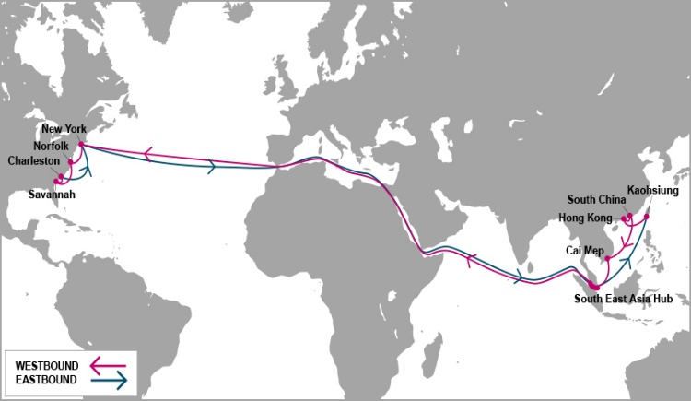

 |  | EC5 - EAST COAST 5 SERVICE

Mother Vessel / Voyage | VSL CODE | ETD TCIT | HALIFAX, NS | NEW YORK, NY (NYC - 27 days) | SAVANNAH, GA (SAV - 31 days) | JACKSONVILLE, FL (JAX - 32 days) | NORFOLK, VA (ORF - 35 days)
 |  | MONDAY | (HAL - 25 days)
BRIGHTON V.0104E | BRNT0104E | 2019-07-01 | 2019-07-26 | 2019-07-28 | 2019-08-01 | 2019-08-02 | 2019-08-05
MOL PARAMOUNT V.0097E | PMUT0097E | 2019-07-08 | 2019-08-02 | 2019-08-04 | 2019-08-08 | 2019-08-09 | 2019-08-12
MOL PARTNER V.0112E | MPRT0112E | 2019-07-15 | 2019-08-09 | 2019-08-11 | 2019-08-15 | 2019-08-16 | 2019-08-19
YM MODESTY V.0042E | YMDT0042E | 2019-07-22 | 2019-08-16 | 2019-08-18 | 2019-08-22 | 2019-08-23 | 2019-08-26
GRANVILLE BRIDGE V.0094E | GBIT0094E | 2019-07-29 | 2019-08-23 | 2019-08-25 | 2019-08-29 | 2019-08-30 | 2019-09-02
YM MODERATION V.0046E | YDIT0046E | 2019-08-05 | 2019-08-30 | 2019-09-01 | 2019-09-05 | 2019-09-06 | 2019-09-09
GEORGE WASHINGTON BRIDGE V.0100E | GWBT0100E | 2019-08-12 | 2019-09-06 | 2019-09-08 | 2019-09-12 | 2019-09-13 | 2019-09-16
DIMITRA C V.0306E | DMCT0306E | 2019-08-19 | 2019-09-13 | 2019-09-15 | 2019-09-19 | 2019-09-20 | 2019-09-23
MOL PARADISE V.0307E | MQAT0307E | 2019-08-26 | 2019-09-20 | 2019-09-22 | 2019-09-26 | 2019-09-27 | 2019-09-30
DALIAN EXPRESS V.0108E | DXPT0108E | 2019-09-02 | 2019-09-27 | 2019-09-29 | 2019-10-03 | 2019-10-04 | 2019-10-07
YM MOVEMENT V.0045E | YVMT0045E | 2019-09-09 | 2019-10-04 | 2019-10-06 | 2019-10-10 | 2019-10-11 | 2019-10-14
BRIGHTON V.0105E | BRNT0105E | 2019-09-16 | 2019-10-11 | 2019-10-13 | 2019-10-17 | 2019-10-18 | 2019-10-21
MOL PARAMOUNT V.0107E | PMUT0107E | 2019-09-23 | 2019-10-18 | 2019-10-20 | 2019-10-24 | 2019-10-25 | 2019-10-28
MOL PARTNER V.0113E | MPRT0113E | 2019-09-30 | 2019-10-25 | 2019-10-27 | 2019-10-31 | 2019-11-01 | 2019-11-04
YM MODESTY V.0042E | YMDT0042E | 2019-10-07 | 2019-11-01 | 2019-11-03 | 2019-11-07 | 2019-11-08 | 2019-11-11
GRANVILLE BRIDGE V.0095E | GBIT0095E | 2019-10-14 | 2019-11-08 | 2019-11-10 | 2019-11-14 | 2019-11-15 | 2019-11-18
YM MODERATION V.0047E | YDIT0047E | 2019-10-21 | 2019-11-15 | 2019-11-17 | 2019-11-21 | 2019-11-22 | 2019-11-25
GEORGE WASHINGTON BRIDGE V.0101E | GWBT0101E | 2019-10-28 | 2019-11-22 | 2019-11-24 | 2019-11-28 | 2019-11-29 | 2019-12-02
DIMITRA C V.0307E | DMCT0307E | 2019-11-04 | 2019-11-29 | 2019-12-01 | 2019-12-05 | 2019-12-06 | 2019-12-09
MOL PARADISE V.0308E | MQAT0308E | 2019-11-11 | 2019-12-06 | 2019-12-08 | 2019-12-12 | 2019-12-13 | 2019-12-16
DALIAN EXPRESS V.0109E | DXPT0109E | 2019-11-18 | 2019-12-13 | 2019-12-15 | 2019-12-19 | 2019-12-20 | 2019-12-23
BRIGHTON V.0106E | BRNT0106E | 2019-11-25 | 2019-12-20 | 2019-12-22 | 2019-12-26 | 2019-12-27 | 2019-12-30
MOL PARAMOUNT V.0187E | PMUT0108E | 2019-12-02 | 2019-12-27 | 2019-12-29 | 2020-01-02 | 2020-01-03 | 2020-01-06
MOL PARTNER V.0114E | MPRT0114E | 2019-12-09 | 2020-01-03 | 2020-01-05 | 2020-01-09 | 2020-01-10 | 2020-01-13

Schedule is subject to changes with/without prior notice.
CY CUT OFF TIME |  |  |  |  | CONTACT US
Cai Mep (TCIT port): 18:00 PM Sunday. |  |  |  |  | Ocean Network Express (Vietnam) Co., Ltd.
Cat Lai / ICDs (Tanamexco, Phuc Long, Transimex, Dong Nai, Binh Duong): 18:00 PM Saturday. |  |  |  |  | 3F mPlaza Saigon, 39 Le Duan Street, District 1, HCMC, VN
 |  |  |  |  | Tel & Fax: 02844582600
VGM cut off = CY cut off |  |  |  |  | CUS PIC: VN.SGN.CSVC.NA.LA@one-line.com
 |  |  |  |  | SLS PIC: VN.SGN.SALES.NA.LA@one-line.com
S/I cut off time: 10:00 AM Friday.
Amendment B/L before: 16:00 PM Friday.

For required information for your AMS filing, please refer via below links:
Vessel details: |  | https://www.one-line.com/en/vessels
Itinerary details: |  | https://ecomm.one-line.com/ecom/CUP_HOM_3005.do?sessLocale=en

Send SI to mail address: vn.sgn.ofs.si@one-line.com
B/L amendment or other Document issue : vn.sgn.exdoc@one-line.com

PN2
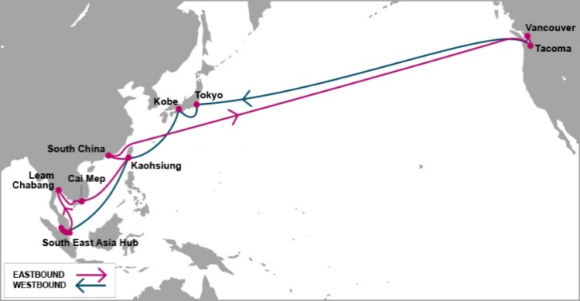

 |  | PN2 - PACIFIC NORTH WEST 2 SERVICE

Mother Vessel / Voyage | VSL CODE | ETD TCIT | TACOMA, WA (TIW - 16 days) | VANCOUVER, BC (VAN - 19 days)
 |  | MONDAY
PRAGUE EXPRESS V.0061E | GEET0061E | 2019-07-01 | 2019-07-17 | 2019-07-20
YM UNISON V.0081E | YUST0081E | 2019-07-08 | 2019-07-24 | 2019-07-27
ONE COSMOS V.0069E | OMST0069E | 2019-07-15 | 2019-07-31 | 2019-08-03
SOFIA EXPRESS V.0054E | SEZT0054E | 2019-07-22 | 2019-08-07 | 2019-08-10
NORTHERN JAGUAR V.0303E | JGRT0303E | 2019-07-29 | 2019-08-14 | 2019-08-17
CONTI CRYSTAL V.0111E | CNCT0111E | 2019-08-05 | 2019-08-21 | 2019-08-24
TSINGTAO EXPRESS V.0067E | TTET0067E | 2019-08-12 | 2019-08-28 | 2019-08-31
PRAGUE EXPRESS V.0062E | GEET0062E | 2019-08-19 | 2019-09-04 | 2019-09-07
YM UNISON V.0082E | YUST0082E | 2019-08-26 | 2019-09-11 | 2019-09-14
ONE COSMOS V.0070E | OMST0070E | 2019-09-02 | 2019-09-18 | 2019-09-21
SOFIA EXPRESS V.0055E | SEZT0055E | 2019-09-09 | 2019-09-25 | 2019-09-28
NORTHERN JAGUAR V.0304E | JGRT0304E | 2019-09-16 | 2019-10-02 | 2019-10-05
CONTI CRYSTAL V.0112E | CNCT0112E | 2019-09-23 | 2019-10-09 | 2019-10-12
TSINGTAO EXPRESS V.0068E | TTET0068E | 2019-09-30 | 2019-10-16 | 2019-10-19
PRAGUE EXPRESS V.0063E | GEET0063E | 2019-10-07 | 2019-10-23 | 2019-10-26
YM UNISON V.0083E | YUST0083E | 2019-10-14 | 2019-10-30 | 2019-11-02
ONE COSMOS V.0071E | OMST0071E | 2019-10-21 | 2019-11-06 | 2019-11-09
SOFIA EXPRESS V.0056E | SEZT0056E | 2019-10-28 | 2019-11-13 | 2019-11-16
NORTHERN JAGUAR V.0305E | JGRT0305E | 2019-11-04 | 2019-11-20 | 2019-11-23
CONTI CRYSTAL V.0113E | CNCT0113E | 2019-11-11 | 2019-11-27 | 2019-11-30
TSINGTAO EXPRESS V.0069E | TTET0069E | 2019-11-18 | 2019-12-04 | 2019-12-07
PRAGUE EXPRESS V.0064E | GEET0064E | 2019-11-25 | 2019-12-11 | 2019-12-14
YM UNISON V.0084E | YUST0084E | 2019-12-02 | 2019-12-18 | 2019-12-21

Schedule is subject to changes with/without prior notice.
CY CUT OFF TIME |  |  | CONTACT US
Cai Mep (TCIT port): 06:00 AM Sunday. |  |  | Ocean Network Express (Vietnam) Co., Ltd.
Cat Lai / ICDs (Tanamexco, Phuc Long, Transimex, Dong Nai, Binh Duong): 06:00 AM Saturday. |  |  | 3F mPlaza Saigon, 39 Le Duan Street, District 1, HCMC, VN
 |  |  | Tel & Fax: 02844582600
VGM cut off = CY cut off |  |  | CUS PIC: VN.SGN.CSVC.NA.LA@one-line.com
 |  |  | SLS PIC: VN.SGN.SALES.NA.LA@one-line.com
S/I cut off time: 10:00 AM Friday.
Amendment B/L before: 16:00 PM Friday.

For required information for your AMS filing, please refer via below links:
Vessel details: |  | https://www.one-line.com/en/vessels
Itinerary details: |  | https://ecomm.one-line.com/ecom/CUP_HOM_3005.do?sessLocale=en

Send SI to mail address: vn.sgn.ofs.si@one-line.com
B/L amendment or other Document issue : vn.sgn.exdoc@one-line.com

PN3


 |  |  |  | PN2 - T/S YANTIAN - PN3

Vessel / Voyage | VSL CODE | ETD TCIT | ETA Yantian | Connecting vessel | Vssl Code | ETD Yantian | VANCOUVER | SEATTLE
 |  | MONDAY |  |  |  |  | ( 25 DAYS) | ( 28 DAYS)
YM UNISON V.0081E | YUST0081E | 2019-07-08 | 2019-07-12 | FRANKFURT EXPRESS V.0058E | FRXT0058E | 2019-07-16 | 2019-08-02 | 2019-08-05
ONE COSMOS V.0069E | OMST0069E | 2019-07-15 | 2019-07-19 | YM ULTIMATE V.0077E | YUMT0077E | 2019-07-23 | 2019-08-09 | 2019-08-12
SOFIA EXPRESS V.0054E | SEZT0054E | 2019-07-22 | 2019-07-26 | NORTHERN JUSTICE V.0008E | JITT0008E | 2019-07-30 | 2019-08-16 | 2019-08-19
NORTHERN JAGUAR V.0303E | JGRT0303E | 2019-07-29 | 2019-08-02 | YM UPSURGENCE V.0038E | YUCT0038E | 2019-08-06 | 2019-08-23 | 2019-08-26
CONTI CRYSTAL V.0111E | CNCT0111E | 2019-08-05 | 2019-08-09 | NORTHERN JUVENILE V.0304E | NJET0304E | 2019-08-13 | 2019-08-30 | 2019-09-02
TSINGTAO EXPRESS V.0067E | TTET0067E | 2019-08-12 | 2019-08-16 | BUDAPEST EXPRESS V.0055E | BUXT0055E | 2019-08-20 | 2019-09-06 | 2019-09-09
PRAGUE EXPRESS V.0062E | GEET0062E | 2019-08-19 | 2019-08-23 | FRANKFURT EXPRESS V.0059E | FRXT0059E | 2019-08-27 | 2019-09-13 | 2019-09-16
YM UNISON V.0082E | YUST0082E | 2019-08-26 | 2019-08-30 | YM ULTIMATE V.0078E | YUMT0078E | 2019-09-03 | 2019-09-20 | 2019-09-23
ONE COSMOS V.0070E | OMST0070E | 2019-09-02 | 2019-09-06 | NORTHERN JUSTICE V.0009E | JITT0009E | 2019-09-10 | 2019-09-27 | 2019-09-30
SOFIA EXPRESS V.0055E | SEZT0055E | 2019-09-09 | 2019-09-13 | YM UPSURGENCE V.0039E | YUCT0039E | 2019-09-17 | 2019-10-04 | 2019-10-07
NORTHERN JAGUAR V.0304E | JGRT0304E | 2019-09-16 | 2019-09-20 | NORTHERN JUVENILE V.0305E | NJET0305E | 2019-09-24 | 2019-10-11 | 2019-10-14
CONTI CRYSTAL V.0112E | CNCT0112E | 2019-09-23 | 2019-09-27 | BUDAPEST EXPRESS V.0056E | BUXT0056E | 2019-10-01 | 2019-10-18 | 2019-10-21
TSINGTAO EXPRESS V.0068E | TTET0068E | 2019-09-30 | 2019-10-04 | FRANKFURT EXPRESS V.0060E | FRXT0060E | 2019-10-08 | 2019-10-25 | 2019-10-28
PRAGUE EXPRESS V.0063E | GEET0063E | 2019-10-07 | 2019-10-11 | YM ULTIMATE V.0079E | YUMT0079E | 2019-10-15 | 2019-11-01 | 2019-11-04
YM UNISON V.0083E | YUST0083E | 2019-10-14 | 2019-10-18 | NORTHERN JUSTICE V.0010E | JITT0010E | 2019-10-22 | 2019-11-08 | 2019-11-11
ONE COSMOS V.0071E | OMST0071E | 2019-10-21 | 2019-10-25 | YM UPSURGENCE V.0040E | YUCT0040E | 2019-10-29 | 2019-11-15 | 2019-11-18
SOFIA EXPRESS V.0056E | SEZT0056E | 2019-10-28 | 2019-11-01 | NORTHERN JUVENILE V.0306E | NJET0306E | 2019-11-05 | 2019-11-22 | 2019-11-25
NORTHERN JAGUAR V.0305E | JGRT0305E | 2019-11-04 | 2019-11-08 | BUDAPEST EXPRESS V.0057E | BUXT0057E | 2019-11-12 | 2019-11-29 | 2019-12-02
CONTI CRYSTAL V.0113E | CNCT0113E | 2019-11-11 | 2019-11-15 | FRANKFURT EXPRESS V.0061E | FRXT0061E | 2019-11-19 | 2019-12-06 | 2019-12-09
TSINGTAO EXPRESS V.0069E | TTET0069E | 2019-11-18 | 2019-11-22 | YM ULTIMATE V.0080E | YUMT0080E | 2019-11-26 | 2019-12-13 | 2019-12-16
PRAGUE EXPRESS V.0064E | GEET0064E | 2019-11-25 | 2019-11-29 | NORTHERN JUSTICE V.0011E | JITT0011E | 2019-12-03 | 2019-12-20 | 2019-12-23
Note: Schedule is subject to change without prior notice. |  |  |  |  |  | CONTACT US
CY CUT OFF TIME |  |  |  |  |  | Ocean Network Express (Vietnam) Co., Ltd.
Cai Mep (TCIT port): 06:00 AM Sunday. |  |  |  |  |  | 3F mPlaza Saigon, 39 Le Duan Street, District 1, HCMC, VN
Cat Lai / ICDs (Tanamexco, Phuc Long, Transimex, Dong Nai, Binh Duong): 06:00 AM Saturday. |  |  |  |  |  | Tel & Fax: 02844581222 - 02844582600

VGM cut off = CY cut off

S/I cut off time: 10:00 AM Friday.
Amendment B/L before: 16:00 PM Friday.

Kindly send S.I to mail address : vn.sgn.ofs.si@one-line.com
B/L amendment or other DOC issues : vn.sgn.exdoc@one-line.com

PS3
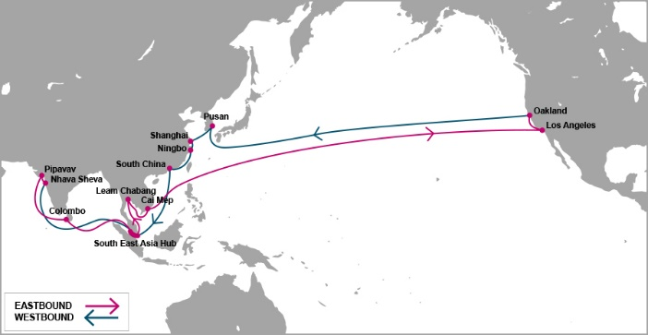

 |  | PS3 - PACIFIC SOUTH WEST 3 SERVICE

Mother Vessel / Voyage | VSL CODE | ETD TCIT | LONG BEACH, CA (LGB - 17 days) | OAKLAND, CA (OAK - 23 days)
 |  | SATURDAY
NYK ARGUS V.0101E | NAGT0101E | 2019-08-17 | 2019-09-03 | 2019-09-09
NYK AQUARIUS V.0099E | NAQT0099E | 2019-08-24 | 2019-09-10 | 2019-09-16
ATHENS GLORY V.0202E | ATNT0202E | 2019-08-31 | 2019-09-17 | 2019-09-23
SAN DIEGO BRIDGE V.0041E | SDXT0041E | 2019-09-07 | 2019-09-24 | 2019-09-30
MOL PRESTIGE V.0060E | PRWT0060E | 2019-09-14 | 2019-10-01 | 2019-10-07
NYK THEMIS V.0062E | NTMT0062E | 2019-09-21 | 2019-10-08 | 2019-10-14
NYK ATLAS V.0109E | NALT0109E | 2019-09-28 | 2019-10-15 | 2019-10-21
MOL PREMIUM V.0048E | MQDT0048E | 2019-10-05 | 2019-10-22 | 2019-10-28
NYK THESEUS V.0059E | NTET0059E | 2019-10-12 | 2019-10-29 | 2019-11-04
NYK TRITON V.0077E | NTTT0077E | 2019-10-19 | 2019-11-05 | 2019-11-11
SEATTLE BRIDGE V.0055E | SEFT0055E | 2019-10-26 | 2019-11-12 | 2019-11-18
NYK ARGUS V.0102E | NAGT0102E | 2019-11-02 | 2019-11-19 | 2019-11-25
NYK AQUARIUS V.0100E | NAQT0100E | 2019-11-09 | 2019-11-26 | 2019-12-02
TBA | 7E0T0001E | 2019-11-16 | 2019-12-03 | 2019-12-09
ATHENS GLORY V.0203E | ATNT0203E | 2019-11-23 | 2019-12-10 | 2019-12-16
SAN DIEGO BRIDGE V.0042E | SDXT0042E | 2019-11-30 | 2019-12-17 | 2019-12-23
MOL PRESTIGE V.0061E | PRWT0061E | 2019-12-07 | 2019-12-24 | 2019-12-30
NYK THEMIS V.0063E | NTMT0063E | 2019-12-14 | 2019-12-31 | 2020-01-06
NYK ATLAS V.0110E | NALT0110E | 2019-12-21 | 2020-01-07 | 2020-01-13
MOL PREMIUM V.0049E | MQDT0049E | 2019-12-28 | 2020-01-14 | 2020-01-20
NYK THESEUS V.0060E | NTET0060E | 2020-01-04 | 2020-01-21 | 2020-01-27
NYK TRITON V.0078E | NTTT0078E | 2020-01-11 | 2020-01-28 | 2020-02-03
SEATTLE BRIDGE V.0056E | SEFT0056E | 2020-01-18 | 2020-02-04 | 2020-02-10
NYK ARGUS V.0103E | NAGT0103E | 2020-01-25 | 2020-02-11 | 2020-02-17

Schedule is subject to changes with/without prior notice.
CY CUT OFF TIME |  |  | CONTACT US
Cai Mep (TCIT port): 23:00 PM Friday. |  |  | Ocean Network Express (Vietnam) Co., Ltd.
Cat Lai / ICDs (Tanamexco, Phuc Long, Transimex, Dong Nai, Binh Duong): 23:00 PM Thursday. |  |  | 3F mPlaza Saigon, 39 Le Duan Street, District 1, HCMC, VN
 |  |  | Tel & Fax: 02844582600
VGM cut off = CY cut off |  |  | CUS PIC: VN.SGN.CSVC.NA.LA@one-line.com
 |  |  | SLS PIC: VN.SGN.SALES.NA.LA@one-line.com
S/I cut off time: 10:00 AM Thursday.
Amendment B/L before: 16:00 PM Thursday.

For required information for your AMS filing, please refer via below links:
Vessel details: |  | https://www.one-line.com/en/vessels
Itinerary details: |  | https://ecomm.one-line.com/ecom/CUP_HOM_3005.do?sessLocale=en

Send SI to mail address: vn.sgn.ofs.si@one-line.com
B/L amendment or other Document issue : vn.sgn.exdoc@one-line.com

AHX


 |  | AHX-ASIA HAWAII EXPRESS

Feeder/Voyage | Vsl Code | ETD VNSGN | ETA YOKOHAMA | Mother Vessel | Vsl Code | ETD YOKOHAMA | HONOLULU, HI (YOK+12DAYS)

NAVIOS DELIGHT V.0018N | NVHT0018N | 2019-07-25 | 2019-08-01 | JRS CORVUS-0043E | JCRT0043E | 2019-08-09 | 2019-08-21
ATHENS BRIDGE V.0093N | AHHT0093N | 2019-08-01 | 2019-08-08 | ACACIA VIRGO-0927E | ACIT0927E | 2019-08-16 | 2019-08-28
HOLSATIA V.0003N | HZLT0003N | 2019-08-08 | 2019-08-15 | TALLAHASSEE-0024E | TLHT0024E | 2019-08-23 | 2019-09-04
NAVIOS DELIGHT V.0019N | NVHT0019N | 2019-08-15 | 2019-08-22 | ACACIA MING-0031E | ACMT0031E | 2019-08-30 | 2019-09-11
ATHENS BRIDGE V.0094N | AHHT0094N | 2019-08-22 | 2019-08-29 | JRS CORVUS-0044E | JCRT0044E | 2019-09-06 | 2019-09-18
HOLSATIA V.0004N | HZLT0004N | 2019-08-29 | 2019-09-05 | NO VSL |  | 2019-09-13 | 2019-09-25
NAVIOS DELIGHT V.0020N | NVHT0020N | 2019-09-05 | 2019-09-12 | ACACIA VIRGO-0928E | ACIT0928E | 2019-09-20 | 2019-10-02
ATHENS BRIDGE V.0095N | AHHT0095N | 2019-09-12 | 2019-09-19 | TALLAHASSEE-0025E | TLHT0025E | 2019-09-27 | 2019-10-09
HOLSATIA V.0005N | HZLT0005N | 2019-09-19 | 2019-09-26 | ACACIA MING-0032E | ACMT0032E | 2019-10-04 | 2019-10-16
NAVIOS DELIGHT V.0021N | NVHT0021N | 2019-09-26 | 2019-10-03 | JRS CORVUS-0045E | JCRT0045E | 2019-10-11 | 2019-10-23
ATHENS BRIDGE V.0096N | AHHT0096N | 2019-10-03 | 2019-10-10 | ACACIA VIRGO-0929E | ACIT0929E | 2019-10-18 | 2019-10-30
HOLSATIA V.0006N | HZLT0006N | 2019-10-10 | 2019-10-17 | TBA | 49BT0001E | 2019-10-25 | 2019-11-06
NAVIOS DELIGHT V.0022N | NVHT0022N | 2019-10-17 | 2019-10-24 | TALLAHASSEE-0026E | TLHT0026E | 2019-11-01 | 2019-11-13
ATHENS BRIDGE V.0097N | AHHT0097N | 2019-10-24 | 2019-10-31 | ACACIA MING-0033E | ACMT0033E | 2019-11-08 | 2019-11-20
HOLSATIA V.0007N | HZLT0007N | 2019-10-31 | 2019-11-07 | JRS CORVUS-0046E | JCRT0046E | 2019-11-15 | 2019-11-27
NAVIOS DELIGHT V.0023N | NVHT0023N | 2019-11-07 | 2019-11-14 | ACACIA VIRGO-0930E | ACIT0\930E | 2019-11-22 | 2019-12-04
ATHENS BRIDGE V.0098N | AHHT0098N | 2019-11-14 | 2019-11-21 | TBA | 49BT0002E | 2019-11-29 | 2019-12-11
HOLSATIA V.0008N | HZLT0008N | 2019-11-21 | 2019-11-28 | TALLAHASSEE-0027E | TLHT0027E | 2019-12-06 | 2019-12-18
NAVIOS DELIGHT V.0024N | NVHT0024N | 2019-11-28 | 2019-12-05 | ACACIA MING-0034E | ACMT0034E | 2019-12-13 | 2019-12-25
ATHENS BRIDGE V.0099N | AHHT0099N | 2019-12-05 | 2019-12-12 | JRS CORVUS-0047E | JCRT0047E | 2019-12-20 | 2020-01-01
HOLSATIA V.0009N | HZLT0009N | 2019-12-12 | 2019-12-19 | ACACIA VIRGO-0930E | ACIT0931E | 2019-12-27 | 2020-01-08
NAVIOS DELIGHT V.0025N | NVHT0025N | 2019-12-19 | 2019-12-26 | TBA |  | 2020-01-03 | 2020-01-15
ATHENS BRIDGE V.0100N | AHHT0100N | 2019-12-26 | 2020-01-02 | TBA |  | 2020-01-10 | 2020-01-22
HOLSATIA V.0010N | HZLT0010N | 2020-01-02 | 2020-01-09 | TBA |  | 2020-01-17 | 2020-01-29

Schedule is subject to changes with/without prior notice. |  |  |  |  | CONTACT US
CY CUT OFF TIME |  |  |  |  | Ocean Network Express (Vietnam) Co., Ltd.
Tan Cang Cai Mep Thi Vai (TCTT Port): 09:00 Friday |  |  |  |  | 3F mPlaza Saigon, 39 Le Duan Street, District 1, HCMC, VN
Cat Lai / ICDs (Tanamexco, Phuc Long, Transimex, Dong Nai, Binh Duong): 15:00 Thursday |  |  |  |  | Tel & Fax: 02844582600
 |  |  |  |  | CUS PIC: VN.SGN.CSVC.NA.LA@one-line.com
VGM cut off = CY cut off
 |  |  |  |  | SLS PIC: VN.SGN.SALES.NA.LA@one-line.com
S/I cut off time: 10:00 AM Wednesday.
Amendment B/L before: 10:00 AM Thursday.

For required information for your AMS filing, please refer via below links:
Vessel details: |  | https://www.one-line.com/en/vessels
Itinerary details: |  | https://ecomm.one-line.com/ecom/CUP_HOM_3005.do?sessLocale=en

Send SI to mail address: vn.sgn.ofs.si@one-line.com
B/L amendment or other Document issue : vn.sgn.exdoc@one-line.com

