EC4
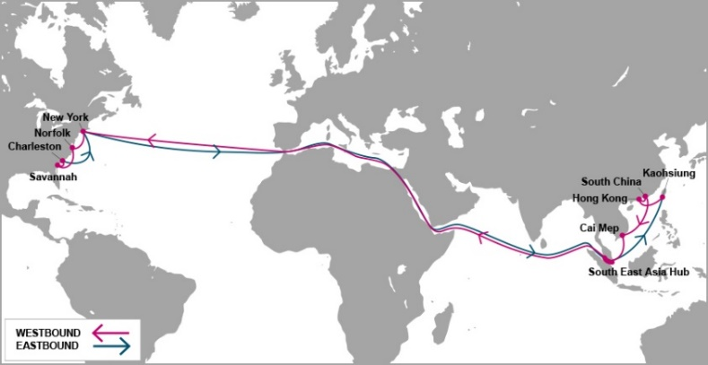

 |  | EC4 - EAST COAST 4 SERVICE

Mother Vessel / Voyage | VSL CODE | ETD TCIT | NEW YORK, NY (NYC - 27 days) | NORFOLK, VA (ORF - 30 days) | SAVANNAH, GA (SAV - 32 days) | CHARLESTON, SC (CHS - 34 days)
 |  | SATURDAY
MEISHAN BRIDGE 010E | MEBT0010E | 2020-06-06 | 2020-07-02 | 2020-07-05 | 2020-07-08 | 2020-07-10
YM WELLHEAD 027E | YWDT0027E | 2020-06-13 | 2020-07-09 | 2020-07-12 | 2020-07-15 | 2020-07-17
UNAYZAH 018E | UYZT0018E | 2020-06-20 | 2020-07-16 | 2020-07-19 | 2020-07-22 | 2020-07-24
MONACO BRIDGE 011E | NCBT0011E | 2020-06-27 | 2020-07-23 | 2020-07-26 | 2020-07-29 | 2020-07-31
YM WIDTH 019E | YWIT0019E | 2020-07-04 | 2020-07-30 | 2020-08-02 | 2020-08-05 | 2020-08-07
AL QIBLA 018E | AQBT0018E | 2020-07-11 | 2020-08-06 | 2020-08-09 | 2020-08-12 | 2020-08-14
YM WARMTH 024E | YWAT0024E | 2020-07-18 | 2020-08-13 | 2020-08-16 | 2020-08-19 | 2020-08-21
ONE MINATO 010E | OMNT0010E | 2020-07-25 | 2020-08-20 | 2020-08-23 | 2020-08-26 | 2020-08-28
HYUNDAI PRIDE 036E | HPQT0036E | 2020-08-01 | 2020-08-27 | 2020-08-30 | 2020-09-02 | 2020-09-04
TO BE NOMINATED | TBA | 2020-08-08 | 2020-09-03 | 2020-09-06 | 2020-09-09 | 2020-09-11
YM WITNESS 027E | WITT0027E | 2020-08-15 | 2020-09-10 | 2020-09-13 | 2020-09-16 | 2020-09-18
SEASPAN HUDSON 018E | YHDT0018E | 2020-08-22 | 2020-09-17 | 2020-09-20 | 2020-09-23 | 2020-09-25
YM UTILITY 068E | UTLT0068E | 2020-08-29 | 2020-09-24 | 2020-09-27 | 2020-09-30 | 2020-10-02
Schedule is subject to changes with/without prior notice.

NEW CY CUT OFF TIME EFF ETD 16-MAY-2020 |  |  |  | CONTACT US
Cai Mep (TCIT port): 23:59 on Thursday. |  |  |  | Ocean Network Express (Vietnam) Co., Ltd.
Cat Lai / ICDs (Tanamexco, Phuc Long, Transimex, Dong Nai, Binh Duong): 23:59 on Wednesday. |  |  |  | 3F mPlaza Saigon, 39 Le Duan Street, District 1, HCMC, VN
 |  |  |  | Tel & Fax: 02844582600
VGM cut off = CY cut off |  |  |  | CUS PIC: VN.SGN.CSVC.NA.LA@one-line.com
 |  |  |  | SLS PIC: VN.SGN.SALES.NA.LA@one-line.com
S/I cut off time: 10:00 AM Wednesday.
Amendment B/L before: 16:00 PM Wednesday.

For required information for your AMS filing, please refer via below links:
Vessel details: |  | https://www.one-line.com/en/vessels
Itinerary details: |  | https://ecomm.one-line.com/ecom/CUP_HOM_3005.do?sessLocale=en

Send SI to mail address: vn.sgn.ofs.si@one-line.com
B/L amendment or other Document issue : vn.sgn.exdoc@one-line.com

EC5
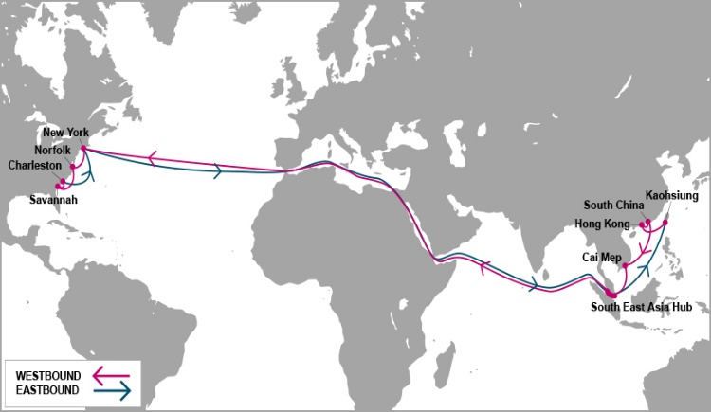

 |  | EC5 - EAST COAST 5 SERVICE

Mother Vessel / Voyage | VSL CODE | ETD TCIT | HALIFAX, NS | NEW YORK, NY (NYC - 27 days) | SAVANNAH, GA (SAV - 31 days) | JACKSONVILLE, FL (JAX - 32 days) | NORFOLK, VA (ORF - 35 days)
 |  | MONDAY | (HAL - 25 days)
YM MODESTY 046E | YMDT0046E | 2020-06-01 | 2020-06-27 | 2020-06-29 | 2020-07-03 | 2020-07-04 | 2020-07-06
BLANK SAILING |  | 2020-06-08 | 2020-07-04 | 2020-07-06 | 2020-07-10 | 2020-07-11 | 2020-07-13
ONE MAGNIFICENCE 057E | OMFT0057E | 2020-06-15 | 2020-07-11 | 2020-07-13 | 2020-07-17 | 2020-07-18 | 2020-07-20
BLANK SAILING |  | 2020-06-22 | 2020-07-18 | 2020-07-20 | 2020-07-24 | 2020-07-25 | 2020-07-27
MOL MOTIVATOR 052E | MTJT0052E | 2020-06-29 | 2020-07-25 | 2020-07-27 | 2020-07-31 | 2020-08-01 | 2020-08-03
MOL MODERN 052E | MDJT0052E | 2020-07-06 | 2020-08-01 | 2020-08-03 | 2020-08-07 | 2020-08-08 | 2020-08-10
GEORGE WASHINGTON BRIDGE 104E | GWBT0104E | 2020-07-13 | 2020-08-08 | 2020-08-10 | 2020-08-14 | 2020-08-15 | 2020-08-17
DALIAN EXPRESS 112E | DXPT0112E | 2020-07-20 | 2020-08-15 | 2020-08-17 | 2020-08-21 | 2020-08-22 | 2020-08-24
TO BE NOMINATED | TBA | 2020-07-27 | 2020-08-22 | 2020-08-24 | 2020-08-28 | 2020-08-29 | 2020-08-31
MOL MARVEL 052E | MMLT0052E | 2020-08-03 | 2020-08-29 | 2020-08-31 | 2020-09-04 | 2020-09-05 | 2020-09-07
YANTIAN EXPRESS 114E | YTET0114E | 2020-08-10 | 2020-09-05 | 2020-09-07 | 2020-09-11 | 2020-09-12 | 2020-09-14
YM MODESTY 047E | YMDT0047E | 2020-08-17 | 2020-09-12 | 2020-09-14 | 2020-09-18 | 2020-09-19 | 2020-09-21
TO BE NOMINATED | TBA | 2020-08-24 | 2020-09-19 | 2020-09-21 | 2020-09-25 | 2020-09-26 | 2020-09-28
ONE MAGNIFICENCE 058E | OMFT0058E | 2020-08-31 | 2020-09-26 | 2020-09-28 | 2020-10-02 | 2020-10-03 | 2020-10-05

Schedule is subject to changes with/without prior notice.
CY CUT OFF TIME EFF APRIL-2020 |  |  |  |  | CONTACT US
Cai Mep (TCIT port): 14:00 PM Sunday. |  |  |  |  | Ocean Network Express (Vietnam) Co., Ltd.
Cat Lai / ICDs (Tanamexco, Phuc Long, Transimex, Dong Nai, Binh Duong): 14:00 PM Saturday. |  |  |  |  | 3F mPlaza Saigon, 39 Le Duan Street, District 1, HCMC, VN
 |  |  |  |  | Tel & Fax: 02844582600
VGM cut off = CY cut off |  |  |  |  | CUS PIC: VN.SGN.CSVC.NA.LA@one-line.com
 |  |  |  |  | SLS PIC: VN.SGN.SALES.NA.LA@one-line.com
S/I cut off time: 10:00 AM Friday.
Amendment B/L before: 16:00 PM Friday.

For required information for your AMS filing, please refer via below links:
Vessel details: |  | https://www.one-line.com/en/vessels
Itinerary details: |  | https://ecomm.one-line.com/ecom/CUP_HOM_3005.do?sessLocale=en

Send SI to mail address: vn.sgn.ofs.si@one-line.com
B/L amendment or other Document issue : vn.sgn.exdoc@one-line.com

PN2
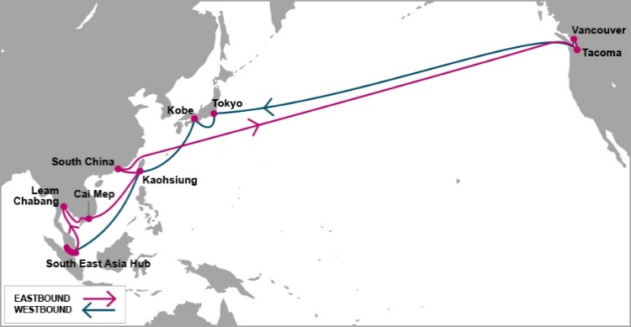

 |  | PN2 - PACIFIC NORTH WEST 2 SERVICE

Mother Vessel / Voyage | VSL CODE | ETD SSIT*** | TACOMA, WA (TIW - 20 days) | VANCOUVER, BC (VAN - 24 days)
 |  | FRIDAY
SEASPAN AMAZON 016E | SECT0016E | 2020-06-05 | 2020-06-25 | 2020-06-29
YM UPSURGENCE 044E | YUCT0044E | 2020-06-12 | 2020-07-02 | 2020-07-06
NAVIOS UNISON 001E | NUNT0001E | 2020-06-19 | 2020-07-09 | 2020-07-13
YM UBIQUITY 047E | YMQT0047E | 2020-06-26 | 2020-07-16 | 2020-07-20
SEASPAN BRILLIANCE 039E | LIAT0039E | 2020-07-03 | 2020-07-23 | 2020-07-27
SEASPAN BREEZE 034E | ZRET0034E | 2020-07-10 | 2020-07-30 | 2020-08-03
KYOTO EXPRESS 087E | KYXT0087E | 2020-07-17 | 2020-08-06 | 2020-08-10
CONTI CONQUEST 009E | CCQT0009E | 2020-07-24 | 2020-08-13 | 2020-08-17
SEASPAN AMAZON 017E | SECT0017E | 2020-07-31 | 2020-08-20 | 2020-08-24
YM UPSURGENCE 045E | YUCT0045E | 2020-08-07 | 2020-08-27 | 2020-08-31
NAVIOS UNISON 002E | NUNT0002E | 2020-08-14 | 2020-09-03 | 2020-09-07
TO BE NOMINATED | TBA | 2020-08-21 | 2020-09-10 | 2020-09-14
SEASPAN BRILLIANCE 040E | LIAT0040E | 2020-08-28 | 2020-09-17 | 2020-09-21

Schedule is subject to changes with/without prior notice.

NEW CY CUT OFF TIME EFF ETD 17-APR |  |  | CONTACT US
Cai Mep (SSIT port): 10:00 AM Thursday |  |  | Ocean Network Express (Vietnam) Co., Ltd.
Cat Lai / ICDs (Tanamexco, Phuc Long, Transimex, Dong Nai, Binh Duong): 10:00 AM Wednesday |  |  | 3F mPlaza Saigon, 39 Le Duan Street, District 1, HCMC, VN
 |  |  | Tel & Fax: 02844582600
VGM cut off = CY cut off |  |  | CUS PIC: VN.SGN.CSVC.NA.LA@one-line.com
 |  |  | SLS PIC: VN.SGN.SALES.NA.LA@one-line.com
S/I cut off time: 10:00 AM Tuesday
Amendment B/L before: 16:00 PM Tuesday

*** SSIT: SP-SSA INTERNATIONAL TERMINAL (SSIT) |  | Address PHUOC LOC COMMUNE, PHUOC HOA WARD, BA RIA VUNG TAU PROVINCE, VIETNAM

For required information for your AMS filing, please refer via below links:
Vessel details: |  | https://www.one-line.com/en/vessels
Itinerary details: |  | https://ecomm.one-line.com/ecom/CUP_HOM_3005.do?sessLocale=en

Send SI to mail address: vn.sgn.ofs.si@one-line.com
B/L amendment or other Document issue : vn.sgn.exdoc@one-line.com

E

PN3


 |  |  |  | FP2 - T/S HONG KONG - PN3

Vessel / Voyage | VSL CODE | ETD TCIT | ETA Hong Kong | Connecting vessel | Vssl Code | ETD Hong Kong | VANCOUVER | SEATTLE
 |  | THURSDAY |  |  |  |  | ( 25 DAYS) | ( 28 DAYS)
YM WREATH 015E | YWCT0015E | 2020-06-04 | 2020-06-06 | HMM PROMISE 015E | HPRT0015E | 2020-06-08 | 2020-06-26 | 2020-06-30
ONE AQUILA 010E | OAQT0010E | 2020-06-11 | 2020-06-13 | BLANK SAILING |  | 2020-06-15 | 2020-07-03 | 2020-07-07
ONE IBIS 020E | OIIT0020E | 2020-06-18 | 2020-06-20 | SEASPAN GANGES 018E | SEOT0018E | 2020-06-22 | 2020-07-10 | 2020-07-14
ONE STORK 009E | OSTT0009E | 2020-06-25 | 2020-06-27 | SEASPAN THAMES 016E | SEQT0016E | 2020-06-29 | 2020-07-17 | 2020-07-21
ONE CRANE 017E | CRET0017E | 2020-07-02 | 2020-07-04 | TO BE NOMINATED 001E | 9I6T0001E | 2020-07-06 | 2020-07-24 | 2020-07-28
ONE APUS 005E | ONPT0005E | 2020-07-09 | 2020-07-11 | PRAGUE EXPRESS 063E | GEET0063E | 2020-07-13 | 2020-07-31 | 2020-08-04
YM WINDOW 022E | YWWT0022E | 2020-07-16 | 2020-07-18 | TBA | TBA | 2020-07-20 | 2020-08-07 | 2020-08-11
YM WISDOM 007E | WDST0007E | 2020-07-23 | 2020-07-25 | HMM PROMISE 016E | HPRT0016E | 2020-07-27 | 2020-08-14 | 2020-08-18
NYK WREN 011E | NWET0011E | 2020-07-30 | 2020-08-01 | TBA | TBA | 2020-08-03 | 2020-08-21 | 2020-08-25
ONE COLUMBA 009E | OCBT0009E | 2020-08-06 | 2020-08-08 | SEASPAN GANGES 019E | SEOT0019E | 2020-08-10 | 2020-08-28 | 2020-09-01
YM WELLSPRING 007E | WLPT0007E | 2020-08-13 | 2020-08-15 | SEASPAN THAMES 017E | SEQT0017E | 2020-08-17 | 2020-09-04 | 2020-09-08
TBA | TBA | 2020-08-20 | 2020-08-22 | TBA | TBA | 2020-08-24 | 2020-09-11 | 2020-09-15
YM WELLNESS 026E | WLLT0026E | 2020-08-27 | 2020-08-29 | PRAGUE EXPRESS 064E | GEET0064E | 2020-08-31 | 2020-09-18 | 2020-09-22

Note: Schedule is subject to change without prior notice. |  |  |  |  |  | CONTACT US
CY CUT OFF TIME |  |  |  |  |  | Ocean Network Express (Vietnam) Co., Ltd.
Cai Mep (TCIT port): 17:00 PM Tuesday |  |  |  |  |  | 3F mPlaza Saigon, 39 Le Duan Street, District 1, HCMC, VN
Cat Lai / ICDs (Tanamexco, Phuc Long, Sowatco Long Binh, Binh Duong): 17:00 PM Monday |  |  |  |  |  | Tel & Fax: 02844581222 - 02844582600

VGM cut off = CY cut off
T/S HONG KONG ONLY
S/I cut off time : 10:00 AM WEDNESDAY
Amendment B/L before: 16:00 PM WEDNESDAY

Kindly send S.I to mail address : vn.sgn.ofs.si@one-line.com
B/L amendment or other DOC issues : vn.sgn.exdoc@one-line.com

PS3
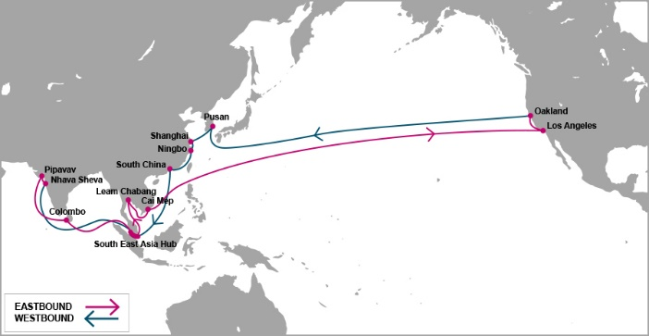

 |  | PS3 - PACIFIC SOUTH WEST 3 SERVICE

Mother Vessel / Voyage | VSL CODE | ETD TCIT | LOS ANGELES, LA ( 18 days) | OAKLAND, CA (24 days)
 |  | SATURDAY
BLANK SAILING |  | 2020-06-06 | 2020-06-24 | 2020-06-30
TO BE NOMINATED | 7I3T0001E | 2020-06-13 | 2020-07-01 | 2020-07-07
BLANK SAILING |  | 2020-06-20 | 2020-07-08 | 2020-07-14
YM UNIFORMITY | YUOT0048E | 2020-06-27 | 2020-07-15 | 2020-07-21
TO BE NOMINATED | TBA | 2020-07-04 | 2020-07-22 | 2020-07-28
PHOEBE 002E | OEBT0002E | 2020-07-11 | 2020-07-29 | 2020-08-04
ONE CONTINUITY 052E | OCNT0052E | 2020-07-18 | 2020-08-05 | 2020-08-11
ONE COMPETENCE 074E | CETT0074E | 2020-07-25 | 2020-08-12 | 2020-08-18
TBA | TBA | 2020-08-01 | 2020-08-19 | 2020-08-25
ONE CONTRIBUTION 043E | ONNT0043E | 2020-08-08 | 2020-08-26 | 2020-09-01
ONE COMMITMENT 049E | MITT0049E | 2020-08-15 | 2020-09-02 | 2020-09-08
TO BE NOMINATED | TBA | 2020-08-22 | 2020-09-09 | 2020-09-15
YM UPWARD 068E | YUPT0068E | 2020-08-29 | 2020-09-16 | 2020-09-22

Schedule is subject to changes with/without prior notice.
CY CUT OFF TIME |  |  | CONTACT US
Cai Mep (TCIT port): 14:00 Thursday. |  |  | Ocean Network Express (Vietnam) Co., Ltd.
Cat Lai / ICDs (Tanamexco, Phuc Long, Transimex, Dong Nai, Binh Duong): 14:00 Wednesday. |  |  | 3F mPlaza Saigon, 39 Le Duan Street, District 1, HCMC, VN
 |  |  | Tel & Fax: 02844582600
VGM cut off = CY cut off |  |  | CUS PIC: VN.SGN.CSVC.NA.LA@one-line.com
 |  |  | SLS PIC: VN.SGN.SALES.NA.LA@one-line.com
S/I cut off time: 10:00 AM Tuesday.
Amendment B/L before: 16:00 PM Tuesday

For required information for your AMS filing, please refer via below links:
Vessel details: |  | https://www.one-line.com/en/vessels
Itinerary details: |  | https://ecomm.one-line.com/ecom/CUP_HOM_3005.do?sessLocale=en

Send SI to mail address: vn.sgn.ofs.si@one-line.com
B/L amendment or other Document issue : vn.sgn.exdoc@one-line.com

AHX


 |  | AHX-ASIA HAWAII EXPRESS

Feeder/Voyage | Vsl Code | ETD Cai Mep Thursday | ETA YOKOHAMA | Mother Vessel | Vsl Code | ETD YOKOHAMA | HONOLULU, HI (YOK+12DAYS)

TEAL HUNTER 002N | TEAT0002N | 2020-04-30 | 2020-05-09 | KALAMAZOO 007E | KLZT0007E | 2020-05-16 | 2020-05-27
ATHENS BRIDGE 107N | AHHT0107N | 2020-05-07 | 2020-05-16 | CANCELLED VOY |  | 2020-05-23 | 2020-06-03
NAVIOS DELIGHT 034N | NVHT0034N | 2020-05-14 | 2020-05-23 | TALLAHASSEE 032E | TLHT0032E | 2020-05-30 | 2020-06-10
ACX CRYSTAL-0225N | XCLT0225N | 2020-05-21 | 2020-05-30 | NOBILITY 0951E | NBDT0951E | 2020-06-06 | 2020-06-17

Feeder/Voyage | Vsl Code | ETD Cai Mep Friday | ETA YOKOHAMA | Mother Vessel | Vsl Code | ETD YOKOHAMA | HONOLULU, HI (YOK+12DAYS)

SEASPAN EMERALD-0240N | SEMT0240N | 2020-05-29 | 2020-06-06 | CANCELLED VOY |  | 2020-06-12 | 2020-06-23
NYK DEMETER-0083N | NDMT0083N | 2020-06-05 | 2020-06-13 | KALAMAZOO 008E | KLZT0008E | 2020-06-19 | 2020-06-30
BANGKOK BRIDGE-0096N | BKGT0096N | 2020-06-12 | 2020-06-20 | CANCELLED VOY |  | 2020-06-26 | 2020-07-07
MOL EARNEST-0052N | ERNT0052N | 2020-06-19 | 2020-06-27 | TALLAHASSEE 033E | TLHT0033E | 2020-07-03 | 2020-07-14
SEASPAN EMERALD-0241N | SEMT0241N | 2020-06-26 | 2020-07-04 | CANCELLED VOY |  | 2020-07-10 | 2020-07-21
NYK DEMETER-0084N | NDMT0084N | 2020-07-03 | 2020-07-11 | NOBILITY-0952E | NBDT0952E | 2020-07-17 | 2020-07-28
TO BE NOMINATED-0002N | 9K0T0002N | 2020-07-10 | 2020-07-18 | CANCELLED VOY |  | 2020-07-24 | 2020-08-04
MOL EARNEST-0053N | ERNT0053N | 2020-07-17 | 2020-07-25 | KALAMAZOO 009E | KLZT0009E | 2020-07-31 | 2020-08-11
SEASPAN EMERALD-0242N | SEMT0242N | 2020-07-24 | 2020-08-01 | CANCELLED VOY |  | 2020-08-07 | 2020-08-18

Schedule is subject to changes with/without prior notice. |  |  |  |  | CONTACT US
EFF 29-MAY-2020 |  |  |  |  | Ocean Network Express (Vietnam) Co., Ltd.
CY CUT OFF TIME |  |  |  |  | 3F mPlaza Saigon, 39 Le Duan Street, District 1, HCMC, VN
Tan Cang Cai Mep Thi Vai (TCTT Port): 08:00 AM on Friday |  |  |  |  | Tel & Fax: 02844582600
Cat Lai / ICDs (Tanamexco, Phuc Long, Transimex, Dong Nai, Binh Duong): 08:00 AM on Thursday |  |  |  |  | CUS PIC: VN.SGN.CSVC.NA.LA@one-line.com
VGM cut off = CY cut off
 |  |  |  |  | SLS PIC: VN.SGN.SALES.NA.LA@one-line.com
S/I cut off time: 10:00 AM on Wednesday
Amendment B/L before: 16:00 PM on Wednesday

For required information for your AMS filing, please refer via below links:
Vessel details: |  | https://www.one-line.com/en/vessels
Itinerary details: |  | https://ecomm.one-line.com/ecom/CUP_HOM_3005.do?sessLocale=en

Send SI to mail address: vn.sgn.ofs.si@one-line.com
B/L amendment or other Document issue : vn.sgn.exdoc@one-line.com

