EC4
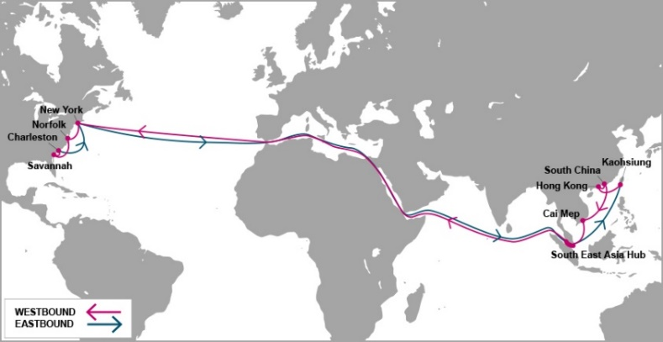

 |  | EC4 - EAST COAST 4 SERVICE

Mother Vessel / Voyage | VSL CODE | ETD TCIT | NEW YORK, NY (NYC - 27 days) | NORFOLK, VA (ORF - 30 days) | SAVANNAH, GA (SAV - 32 days) | CHARLESTON, SC (CHS - 34 days)
 |  | SATURDAY
MEISHAN BRIDGE-0011E | MEBT0011E | 2020-09-05 | 2020-10-01 | 2020-10-04 | 2020-10-07 | 2020-10-09
YM WELLHEAD-0028E | YWDT0028E | 2020-09-12 | 2020-10-08 | 2020-10-11 | 2020-10-14 | 2020-10-16
MONACO BRIDGE-0012E | NCBT0012E | 2020-09-19 | 2020-10-15 | 2020-10-18 | 2020-10-21 | 2020-10-23
YM WIDTH-0020E | YWIT0020E | 2020-09-26 | 2020-10-22 | 2020-10-25 | 2020-10-28 | 2020-10-30
AL QIBLA-0019E | AQBT0019E | 2020-10-03 | 2020-10-29 | 2020-11-01 | 2020-11-04 | 2020-11-06
YM WARMTH-0025E | YWAT0025E | 2020-10-10 | 2020-11-05 | 2020-11-08 | 2020-11-11 | 2020-11-13
SEASPAN GANGES-0020e | SEOT0020E | 2020-10-17 | 2020-11-12 | 2020-11-15 | 2020-11-18 | 2020-11-20
ONE MINATO-0011E | OMNT0011E | 2020-10-24 | 2020-11-19 | 2020-11-22 | 2020-11-25 | 2020-11-27
ONE MUNCHEN-0026E | OONT0026E | 2020-10-31 | 2020-11-26 | 2020-11-29 | 2020-12-02 | 2020-12-04
YM WITNESS-0028E | WITT0028E | 2020-11-07 | 2020-12-03 | 2020-12-06 | 2020-12-09 | 2020-12-11
MADRID BRIDGE-0012E | MDBT0012E | 2020-11-14 | 2020-12-10 | 2020-12-13 | 2020-12-16 | 2020-12-18
YM WIND-0016E | YWBT0016E | 2020-11-21 | 2020-12-17 | 2020-12-20 | 2020-12-23 | 2020-12-25
MEISHAN BRIDGE-0012E | MEBT0012E | 2020-11-28 | 2020-12-24 | 2020-12-27 | 2020-12-30 | 2021-01-01
YM WELLHEAD-0029E | YWDT0029E | 2020-12-05 | 2020-12-31 | 2021-01-03 | 2021-01-06 | 2021-01-08
MONACO BRIDGE-0013E | NCBT0013E | 2020-12-12 | 2021-01-07 | 2021-01-10 | 2021-01-13 | 2021-01-15
YM WIDTH-0021E | YWIT0021E | 2020-12-19 | 2021-01-14 | 2021-01-17 | 2021-01-20 | 2021-01-22
AL QIBLA-0020E | AQBT0020E | 2020-12-26 | 2021-01-21 | 2021-01-24 | 2021-01-27 | 2021-01-29
Schedule is subject to changes with/without prior notice.

NEW CY CUT OFF TIME EFF ETD 16-MAY-2020 |  |  |  | CONTACT US
Cai Mep (TCIT port): 23:59 on Thursday. |  |  |  | Ocean Network Express (Vietnam) Co., Ltd.
Cat Lai / ICDs (Tanamexco, Phuc Long, Transimex, Dong Nai, Binh Duong): 23:59 on Wednesday. |  |  |  | 3F mPlaza Saigon, 39 Le Duan Street, District 1, HCMC, VN
 |  |  |  | Tel & Fax: 02844582600
VGM cut off = CY cut off |  |  |  | CUS PIC: VN.SGN.CSVC.NA.LA@one-line.com
 |  |  |  | SLS PIC: VN.SGN.SALES.NA.LA@one-line.com
S/I cut off time: 10:00 AM Wednesday.
Amendment B/L before: 16:00 PM Wednesday.

For required information for your AMS filing, please refer via below links:
Vessel details: |  | https://www.one-line.com/en/vessels
Itinerary details: |  | https://ecomm.one-line.com/ecom/CUP_HOM_3005.do?sessLocale=en

Send SI to mail address: vn.sgn.ofs.si@one-line.com
B/L amendment or other Document issue : vn.sgn.exdoc@one-line.com

EC5
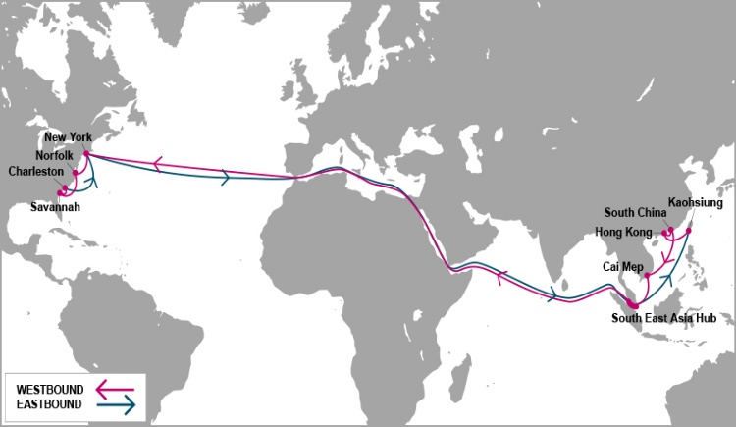

 |  | EC5 - EAST COAST 5 SERVICE

Mother Vessel / Voyage | VSL CODE | ETD TCIT | HALIFAX, NS | NEW YORK, NY (NYC - 27 days) | SAVANNAH, GA (SAV - 31 days) | JACKSONVILLE, FL (JAX - 32 days) | NORFOLK, VA (ORF - 35 days)
 |  | MONDAY | (HAL - 25 days)
MOL MANEUVER-0053E | MNBT0053E | 2020-09-07 | 2020-10-03 | 2020-10-05 | 2020-10-09 | 2020-10-10 | 2020-10-12
MOL MOTIVATOR-0053E | MTJT0053E | 2020-09-14 | 2020-10-10 | 2020-10-12 | 2020-10-16 | 2020-10-17 | 2020-10-19
ONE MARVEL | #REF! | 2020-09-21 | 2020-10-17 | 2020-10-19 | 2020-10-23 | 2020-10-24 | 2020-10-26
MOL MISSION-0057E | ISST0057E | 2020-09-28 | 2020-10-24 | 2020-10-26 | 2020-10-30 | 2020-10-31 | 2020-11-02
KYOTO EXPRESS-0088E | KYXT0088E | 2020-10-05 | 2020-10-31 | 2020-11-02 | 2020-11-06 | 2020-11-07 | 2020-11-09
DALIAN EXPRESS-0113E | DXPT0113E | 2020-10-12 | 2020-11-07 | 2020-11-09 | 2020-11-13 | 2020-11-14 | 2020-11-16
ONE MAXIM-0052E | OXMT0052E | 2020-10-19 | 2020-11-14 | 2020-11-16 | 2020-11-20 | 2020-11-21 | 2020-11-23
YANTIAN EXPRESS-0115E | YTET0115E | 2020-10-26 | 2020-11-21 | 2020-11-23 | 2020-11-27 | 2020-11-28 | 2020-11-30
MOL MAESTRO-0055E | MEGT0055E | 2020-11-02 | 2020-11-28 | 2020-11-30 | 2020-12-04 | 2020-12-05 | 2020-12-07
YM MANDATE-0069E | YNDT0069E | 2020-11-09 | 2020-12-05 | 2020-12-07 | 2020-12-11 | 2020-12-12 | 2020-12-14
ONE MAGNIFICENCE-0059E | OMFT0059E | 2020-11-16 | 2020-12-12 | 2020-12-14 | 2020-12-18 | 2020-12-19 | 2020-12-21
MOL MANEUVER-0054E | MNBT0054E | 2020-11-23 | 2020-12-19 | 2020-12-21 | 2020-12-25 | 2020-12-26 | 2020-12-28
MOL MOTIVATOR-0054E | MTJT0054E | 2020-11-30 | 2020-12-26 | 2020-12-28 | 2021-01-01 | 2021-01-02 | 2021-01-04
ONE MARVEL-0053E | ONMT0053E | 2020-12-07 | 2021-01-02 | 2021-01-04 | 2021-01-08 | 2021-01-09 | 2021-01-11
MOL MISSION-0058E | ISST0058E | 2020-12-14 | 2021-01-09 | 2021-01-11 | 2021-01-15 | 2021-01-16 | 2021-01-18
KYOTO EXPRESS-0089E | KYXT0089E | 2020-12-21 | 2021-01-16 | 2021-01-18 | 2021-01-22 | 2021-01-23 | 2021-01-25
DALIAN EXPRESS-0114E | DXPT0114E | 2020-12-28 | 2021-01-23 | 2021-01-25 | 2021-01-29 | 2021-01-30 | 2021-02-01

Schedule is subject to changes with/without prior notice.
CY CUT OFF TIME EFF APRIL-2020 |  |  |  |  | CONTACT US
Cai Mep (TCIT port): 14:00 PM Sunday. |  |  |  |  | Ocean Network Express (Vietnam) Co., Ltd.
Cat Lai / ICDs (Tanamexco, Phuc Long, Transimex, Dong Nai, Binh Duong): 14:00 PM Saturday. |  |  |  |  | 3F mPlaza Saigon, 39 Le Duan Street, District 1, HCMC, VN
 |  |  |  |  | Tel & Fax: 02844582600
VGM cut off = CY cut off |  |  |  |  | CUS PIC: VN.SGN.CSVC.NA.LA@one-line.com
 |  |  |  |  | SLS PIC: VN.SGN.SALES.NA.LA@one-line.com
S/I cut off time: 10:00 AM Friday.
Amendment B/L before: 16:00 PM Friday.

For required information for your AMS filing, please refer via below links:
Vessel details: |  | https://www.one-line.com/en/vessels
Itinerary details: |  | https://ecomm.one-line.com/ecom/CUP_HOM_3005.do?sessLocale=en

Send SI to mail address: vn.sgn.ofs.si@one-line.com
B/L amendment or other Document issue : vn.sgn.exdoc@one-line.com

PN2
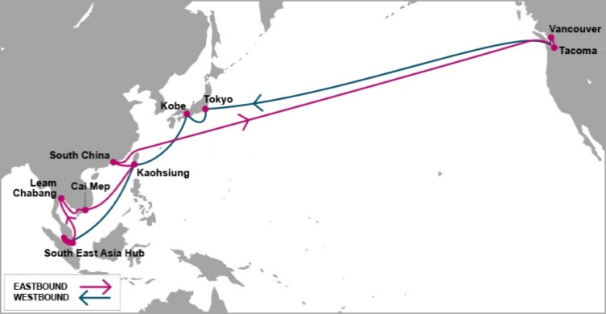

 |  | PN2 - PACIFIC NORTH WEST 2 SERVICE

Mother Vessel / Voyage | VSL CODE | ETD SSIT*** | TACOMA, WA (TIW - 20 days) | VANCOUVER, BC (VAN - 24 days)
 |  | FRIDAY
SEASPAN BREEZE-0035E | ZRET0035E | 2020-09-04 | 2020-09-24 | 2020-09-28
ATHOS-0015E | TSQT0015E | 2020-09-11 | 2020-10-01 | 2020-10-05
SEASPAN BRIGHTNESS-0032E | RGST0032E | 2020-09-18 | 2020-10-08 | 2020-10-12
SEASPAN AMAZON-0018E | SECT0018E | 2020-09-25 | 2020-10-15 | 2020-10-19
YM TRIUMPH-0002E | TPHT0002E | 2020-10-02 | 2020-10-22 | 2020-10-26
NAVIOS UNISON-0003E | NUNT0003E | 2020-10-09 | 2020-10-29 | 2020-11-02
YM TRUTH-0002E | UTHT0002E | 2020-10-16 | 2020-11-05 | 2020-11-09
SEASPAN BRILLIANCE-0041E | LIAT0041E | 2020-10-23 | 2020-11-12 | 2020-11-16
SEASPAN BREEZE-0036E | ZRET0036E | 2020-10-30 | 2020-11-19 | 2020-11-23
ATHOS-0016E | TSQT0016E | 2020-11-06 | 2020-11-26 | 2020-11-30
SEASPAN BRIGHTNESS-0033E | RGST0033E | 2020-11-13 | 2020-12-03 | 2020-12-07
SEASPAN AMAZON-0019E | SECT0019E | 2020-11-20 | 2020-12-10 | 2020-12-14
YM TRIUMPH-0003E | TPHT0003E | 2020-11-27 | 2020-12-17 | 2020-12-21
NAVIOS UNISON-0004E | NUNT0004E | 2020-12-04 | 2020-12-24 | 2020-12-28
YM TRUTH-0003E | UTHT0003E | 2020-12-11 | 2020-12-31 | 2021-01-04
SEASPAN BRILLIANCE-0042E | LIAT0042E | 2020-12-18 | 2021-01-07 | 2021-01-11
SEASPAN BREEZE-0037E | ZRET0037E | 2020-12-25 | 2021-01-14 | 2021-01-18
Schedule is subject to changes with/without prior notice.

NEW CY CUT OFF TIME EFF ETD 17-APR |  |  | CONTACT US
Cai Mep (SSIT port): 10:00 AM Thursday |  |  | Ocean Network Express (Vietnam) Co., Ltd.
Cat Lai / ICDs (Tanamexco, Phuc Long, Transimex, Dong Nai, Binh Duong): 10:00 AM Wednesday |  |  | 3F mPlaza Saigon, 39 Le Duan Street, District 1, HCMC, VN
 |  |  | Tel & Fax: 02844582600
VGM cut off = CY cut off |  |  | CUS PIC: VN.SGN.CSVC.NA.LA@one-line.com
 |  |  | SLS PIC: VN.SGN.SALES.NA.LA@one-line.com
S/I cut off time: 10:00 AM Tuesday
Amendment B/L before: 16:00 PM Tuesday

*** SSIT: SP-SSA INTERNATIONAL TERMINAL (SSIT) |  | Address PHUOC LOC COMMUNE, PHUOC HOA WARD, BA RIA VUNG TAU PROVINCE, VIETNAM

For required information for your AMS filing, please refer via below links:
Vessel details: |  | https://www.one-line.com/en/vessels
Itinerary details: |  | https://ecomm.one-line.com/ecom/CUP_HOM_3005.do?sessLocale=en

Send SI to mail address: vn.sgn.ofs.si@one-line.com
B/L amendment or other Document issue : vn.sgn.exdoc@one-line.com

E

PN3


 |  |  |  | FP2 - T/S HONG KONG - PN3

Vessel / Voyage | VSL CODE | ETD TCIT | ETA Hong Kong | Connecting vessel | Vssl Code | ETD Hong Kong | VANCOUVER | SEATTLE
 |  | THURSDAY |  |  |  |  | ( 25 DAYS) | ( 28 DAYS)
ONE FALCON-0008E | NCFT0016E | 2020-09-03 | 2020-09-05 | SEASPAN YANGTZE | YZET0012E | 2020-09-07 | 2020-09-25 | 2020-09-29
ONE GRUS-0008E | ONGT0008E | 2020-09-10 | 2020-09-12 | NAVIOS CONSTELLATION | NVCT0012E | 2020-09-14 | 2020-10-02 | 2020-10-06
ONE EAGLE-0019E | EAOT0019E | 2020-09-17 | 2020-09-19 | HMM PROMISE | HPRT0017E | 2020-09-21 | 2020-10-09 | 2020-10-13
ONE BLUE JAY-0021E | ONLT0021E | 2020-09-24 | 2020-09-26 | YM TOTALITY | TTLT0001E | 2020-09-28 | 2020-10-16 | 2020-10-20
ONE CYGNUS-0006E | ONYT0006E | 2020-10-01 | 2020-10-03 | BLANK SAILLING |  | 2020-10-05 | 2020-10-23 | 2020-10-27
YM WREATH-0016E | YWCT0016E | 2020-10-08 | 2020-10-10 | YM UNICORN | YUNT0049E | 2020-10-12 | 2020-10-30 | 2020-11-03
ONE AQUILA-0011E | OAQT0011E | 2020-10-15 | 2020-10-17 | ONE MAXIM | OXMT0051W | 2020-10-19 | 2020-11-06 | 2020-11-10
ONE IBIS-0021E | OIIT0021E | 2020-10-22 | 2020-10-24 | SEASPAN THAMES | SEQT0018E | 2020-10-26 | 2020-11-13 | 2020-11-17
ONE STORK-0010E | OSTT0010E | 2020-10-29 | 2020-10-31 | SEASPAN YANGTZE | YZET0013E | 2020-11-02 | 2020-11-20 | 2020-11-24
ONE CRANE-0018E | CRET0018E | 2020-11-05 | 2020-11-07 | NAVIOS CONSTELLATION | NVCT0013E | 2020-11-09 | 2020-11-27 | 2020-12-01
ONE APUS-0006E | ONPT0006E | 2020-11-12 | 2020-11-14 | YM TOTALITY | TTLT0002E | 2020-11-16 | 2020-12-04 | 2020-12-08
YM WHOLESOME-0026E | YWHT0026E | 2020-11-19 | 2020-11-21 | TO BE NOMINATED | 7B8T0001E | 2020-11-23 | 2020-12-11 | 2020-12-15
YM WISDOM-0008E | WDST0008E | 2020-11-26 | 2020-11-28 | YM UNICORN | YUNT0050E | 2020-11-30 | 2020-12-18 | 2020-12-22
TO BE NOMINATED-0001E | 8K1T0001E | 2020-12-03 | 2020-12-05 | SEASPAN YANGTZE | YZET0014E | 2020-12-07 | 2020-12-25 | 2020-12-29
TO BE NOMINATED-0001E | 8K3T0001E | 2020-12-10 | 2020-12-12 | SEASPAN THAMES | YZET0014E | 2020-12-14 | 2021-01-01 | 2021-01-05
YM WELLSPRING-0008E | WLPT0008E | 2020-12-17 | 2020-12-19 | NAVIOS CONSTELLATION | NVCT0014E | 2020-12-21 | 2021-01-08 | 2021-01-12
ONE COLUMBA-0010E | OCBT0010E | 2020-12-24 | 2020-12-26 | HMM PROMISE | HPRT0019E | 2020-12-28 | 2021-01-15 | 2021-01-19

Note: Schedule is subject to change without prior notice. |  |  |  |  |  | CONTACT US
CY CUT OFF TIME |  |  |  |  |  | Ocean Network Express (Vietnam) Co., Ltd.
Cai Mep (TCIT port): 17:00 PM Tuesday |  |  |  |  |  | 3F mPlaza Saigon, 39 Le Duan Street, District 1, HCMC, VN
Cat Lai / ICDs (Tanamexco, Phuc Long, Sowatco Long Binh, Binh Duong): 17:00 PM Monday |  |  |  |  |  | Tel & Fax: 02844581222 - 02844582600

VGM cut off = CY cut off
T/S HONG KONG ONLY
S/I cut off time : 10:00 AM WEDNESDAY
Amendment B/L before: 16:00 PM WEDNESDAY

Kindly send S.I to mail address : vn.sgn.ofs.si@one-line.com
B/L amendment or other DOC issues : vn.sgn.exdoc@one-line.com

PS3
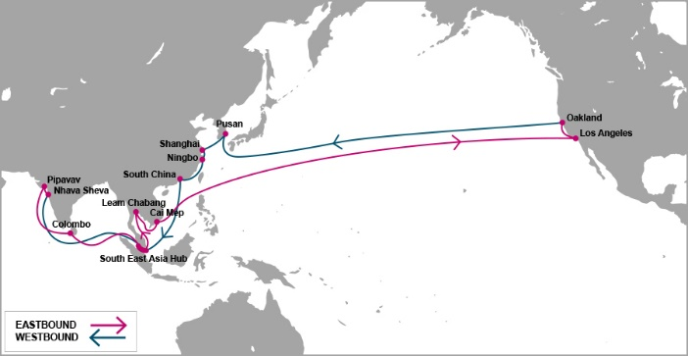

 |  | PS3 - PACIFIC SOUTH WEST 3 SERVICE

Mother Vessel / Voyage | VSL CODE | ETD TCIT | LOS ANGELES, LA ( 18 days) | OAKLAND, CA (24 days)
 |  | SATURDAY
YM UPWARD-0068E | YUPT0068E | 2020-09-05 | 2020-09-23 | 2020-09-29
HYUNDAI BANGKOK-0099E | HUYT0099E | 2020-09-12 | 2020-09-30 | 2020-10-06
NYK ATLAS-0115E | NALT0115E | 2020-09-19 | 2020-10-07 | 2020-10-13
ONE COMPETENCE-0075E | CETT0075E | 2020-09-26 | 2020-10-14 | 2020-10-20
ONE CONTINUITY-0054E | OCNT0054E | 2020-10-03 | 2020-10-21 | 2020-10-27
HYUNDAI BUSAN-0126E | HDBT0126E | 2020-10-10 | 2020-10-28 | 2020-11-03
TO BE NOMINATED | 9APT0002E | 2020-10-17 | 2020-11-04 | 2020-11-10
YM UPSURGENCE-0046E | YUCT0046E | 2020-10-24 | 2020-11-11 | 2020-11-17
ONE CONTRIBUTION-0044E | ONNT0044E | 2020-10-31 | 2020-11-18 | 2020-11-24
ONE COMMITMENT-0050E | MITT0050E | 2020-11-07 | 2020-11-25 | 2020-12-01
YM UBIQUITY-0049E | YMQT0049E | 2020-11-14 | 2020-12-02 | 2020-12-08
YM UPWARD-0069E | YUPT0069E | 2020-11-21 | 2020-12-09 | 2020-12-15
HYUNDAI BANGKOK-0100E | HUYT0100E | 2020-11-28 | 2020-12-16 | 2020-12-22
NYK ATLAS-0116E | NALT0116E | 2020-12-05 | 2020-12-23 | 2020-12-29
ONE CONTINUITY-0055E | OCNT0055E | 2020-12-12 | 2020-12-30 | 2021-01-05
HYUNDAI BUSAN-0127E | HDBT0127E | 2020-12-19 | 2021-01-06 | 2021-01-12
TBA | TBA | 2020-12-26 | 2021-01-13 | 2021-01-19

Schedule is subject to changes with/without prior notice.
CY CUT OFF TIME |  |  | CONTACT US
Cai Mep (TCIT port): 14:00 Thursday. |  |  | Ocean Network Express (Vietnam) Co., Ltd.
Cat Lai / ICDs (Tanamexco, Phuc Long, Transimex, Dong Nai, Binh Duong): 14:00 Wednesday. |  |  | 3F mPlaza Saigon, 39 Le Duan Street, District 1, HCMC, VN
 |  |  | Tel & Fax: 02844582600
VGM cut off = CY cut off |  |  | CUS PIC: VN.SGN.CSVC.NA.LA@one-line.com
 |  |  | SLS PIC: VN.SGN.SALES.NA.LA@one-line.com
S/I cut off time: 14:00 PM Tuesday.
Amendment B/L before: 17:00 PM Tuesday

For required information for your AMS filing, please refer via below links:
Vessel details: |  | https://www.one-line.com/en/vessels
Itinerary details: |  | https://ecomm.one-line.com/ecom/CUP_HOM_3005.do?sessLocale=en

Send SI to mail address: vn.sgn.ofs.si@one-line.com
B/L amendment or other Document issue : vn.sgn.exdoc@one-line.com

AHX


 |  | AHX-ASIA HAWAII EXPRESS

Feeder/Voyage | Vsl Code | ETD Cai Mep Friday | ETA YOKOHAMA | Mother Vessel | Vsl Code | ETD YOKOHAMA | HONOLULU, HI (YOK+12DAYS)

NYK DEMETER-0084N | NDMT0084N | 2020-07-03 | 2020-07-11 | NOBILITY-0952E | NBDT0952E | 2020-07-17 | 2020-07-28
TO BE NOMINATED-0002N | 9K0T0002N | 2020-07-10 | 2020-07-18 | CANCELLED VOY |  | 2020-07-24 | 2020-08-04
MOL EARNEST-0053N | ERNT0053N | 2020-07-17 | 2020-07-25 | KALAMAZOO-0009E | KLZT0009E | 2020-07-31 | 2020-08-11
SEASPAN EMERALD-0242N | SEMT0242N | 2020-07-24 | 2020-08-01 | CANCELLED VOY |  | 2020-08-07 | 2020-08-18
BEAR MOUNTAIN BRIDGE | BMRT0089N | 2020-07-31 | 2020-08-08 | TALLAHASSEE-0034E | TLHT0034E | 2020-08-14 | 2020-08-25
NYK DIANA | NDIT0086N | 2020-08-07 | 2020-08-15 | CANCELLED VOY |  | 2020-08-21 | 2020-09-01
MOL EARNEST | ERNT0054N | 2020-08-14 | 2020-08-22 | NOBILITY-0953E | NBDT0953E | 2020-08-28 | 2020-09-08
SEASPAN EMERALD | SEMT0243N | 2020-08-21 | 2020-08-29 | CANCELLED VOY |  | 2020-09-04 | 2020-09-15
BEAR MOUNTAIN BRIDGE | BMRT0090N | 2020-08-28 | 2020-09-05 | KALAMAZOO-0010E | KLZT0010E | 2020-09-11 | 2020-09-22
NYK DIANA | NDIT0087N | 2020-09-04 | 2020-09-12 | CANCELLED VOY |  | 2020-09-18 | 2020-09-29
MOL EARNEST | ERNT0055N | 2020-09-11 | 2020-09-19 | TALLAHASSEE-0035E | TLHT0035E | 2020-09-25 | 2020-10-06
SEASPAN EMERALD | SEMT0244N | 2020-09-18 | 2020-09-26 | CANCELLED VOY |  | 2020-10-02 | 2020-10-13

Schedule is subject to changes with/without prior notice. |  |  |  |  | CONTACT US
EFF 29-MAY-2020 |  |  |  |  | Ocean Network Express (Vietnam) Co., Ltd.
CY CUT OFF TIME |  |  |  |  | 3F mPlaza Saigon, 39 Le Duan Street, District 1, HCMC, VN
Tan Cang Cai Mep Thi Vai (TCTT Port): 08:00 AM on Friday |  |  |  |  | Tel & Fax: 02844582600
Cat Lai / ICDs (Tanamexco, Phuc Long, Transimex, Dong Nai, Binh Duong): 08:00 AM on Thursday |  |  |  |  | CUS PIC: VN.SGN.CSVC.NA.LA@one-line.com
VGM cut off = CY cut off
 |  |  |  |  | SLS PIC: VN.SGN.SALES.NA.LA@one-line.com
S/I cut off time: 10:00 AM on Wednesday
Amendment B/L before: 16:00 PM on Wednesday

For required information for your AMS filing, please refer via below links:
Vessel details: |  | https://www.one-line.com/en/vessels
Itinerary details: |  | https://ecomm.one-line.com/ecom/CUP_HOM_3005.do?sessLocale=en

Send SI to mail address: vn.sgn.ofs.si@one-line.com
B/L amendment or other Document issue : vn.sgn.exdoc@one-line.com

