EC4
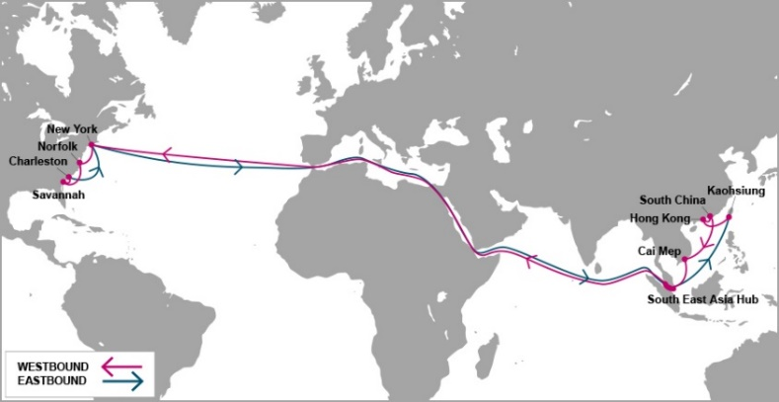

 |  | EC4 - EAST COAST 4 SERVICE

Mother Vessel / Voyage | VSL CODE | ETD TCIT | NEW YORK, NY (USNYC - 27 days) | NORFOLK, VA (USORF - 30 days) | SAVANNAH, GA (USSAV - 32 days) | CHARLESTON, SC (USCHS - 34 days)
 |  | SATURDAY
YM WELLHEAD 030E | YWDT0030E | 2021-03-06 | 2021-04-01 | 2021-04-04 | 2021-04-07 | 2021-04-09
BLANK SAILING |  | 2021-03-13 | 2021-04-08 | 2021-04-11 | 2021-04-14 | 2021-04-16
MONACO BRIDGE 014E | NCBT0014E | 2021-03-20 | 2021-04-15 | 2021-04-18 | 2021-04-21 | 2021-04-23
YM WIDTH 022E | YWIT0022E | 2021-03-27 | 2021-04-22 | 2021-04-25 | 2021-04-28 | 2021-04-30
AL QIBLA 021E | AQBT0021E | 2021-04-03 | 2021-04-29 | 2021-05-02 | 2021-05-05 | 2021-05-07
YM WARMTH 027E | YWAT0027E | 2021-04-10 | 2021-05-06 | 2021-05-09 | 2021-05-12 | 2021-05-14
BLANK SAILING |  | 2021-04-17 | 2021-05-13 | 2021-05-16 | 2021-05-19 | 2021-05-21
ONE MINATO 013E | OMNT0013E | 2021-04-24 | 2021-05-20 | 2021-05-23 | 2021-05-26 | 2021-05-28
ONE MUNCHEN 028E | OONT0028E | 2021-05-01 | 2021-05-27 | 2021-05-30 | 2021-06-02 | 2021-06-04
YM WITNESS 030E | WITT0030E | 2021-05-08 | 2021-06-03 | 2021-06-06 | 2021-06-09 | 2021-06-11
MADRID BRIDGE 014E | MDBT0014E | 2021-05-15 | 2021-06-10 | 2021-06-13 | 2021-06-16 | 2021-06-18
YM WIND 018E | YWBT0018E | 2021-05-22 | 2021-06-17 | 2021-06-20 | 2021-06-23 | 2021-06-25
Schedule is subject to changes with/without prior notice.

NEW CY CUT OFF TIME EFF ETD 16-MAY-2020 |  |  |  | CONTACT US
Cai Mep (TCIT port): 23:59 on Thursday. |  |  |  | Ocean Network Express (Vietnam) Co., Ltd.
Cat Lai / ICDs (Tanamexco, Phuc Long, Transimex, Dong Nai, Binh Duong): 23:59 on Wednesday. |  |  |  | 3F mPlaza Saigon, 39 Le Duan Street, District 1, HCMC, VN
 |  |  |  | Tel & Fax: 02844582600
VGM cut off = CY cut off |  |  |  | CUS PIC: VN.SGN.CSVC.NA.LA@one-line.com
 |  |  |  | SLS PIC: VN.SGN.SALES.NA.LA@one-line.com
S/I cut off time: 10:00 AM Wednesday.
Amendment B/L before: 16:00 PM Wednesday.

For required information for your AMS filing, please refer via below links:
Vessel details: |  | https://www.one-line.com/en/vessels
Itinerary details: |  | https://ecomm.one-line.com/ecom/CUP_HOM_3005.do?sessLocale=en

Send SI to mail address: vn.sgn.ofs.si@one-line.com
B/L amendment or other Document issue : vn.sgn.exdoc@one-line.com

EC5
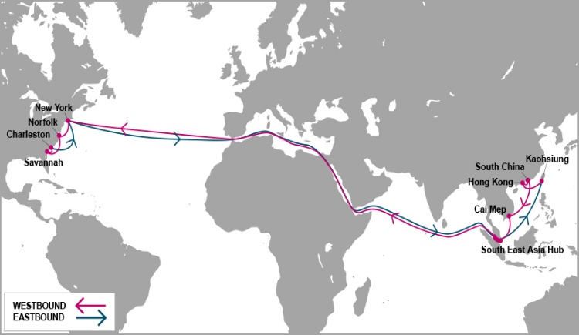

 |  | EC5 - EAST COAST 5 SERVICE

Mother Vessel / Voyage | VSL CODE | ETD TCIT | HALIFAX, NS | NEW YORK, NY (USNYC - 27 days) | SAVANNAH, GA (USSAV - 31 days) | JACKSONVILLE, FL (USJAX - 32 days) | NORFOLK, VA (USORF - 35 days)
 |  | MONDAY | (USHAL - 25 days)
YM MANDATE 070E | YNDT0070E | 2021-03-01 | 2021-03-27 | 2021-03-29 | 2021-04-02 | 2021-04-03 | 2021-04-05
ONE MARVEL 054E | ONMT0054E | 2021-03-08 | 2021-04-03 | 2021-04-05 | 2021-04-09 | 2021-04-10 | 2021-04-12
SKIP CALLING TCIT |  | 2021-03-15 | 2021-04-10 | 2021-04-12 | 2021-04-16 | 2021-04-17 | 2021-04-19
ONE MOTIVATOR 055E | TIVT0055E | 2021-03-22 | 2021-04-17 | 2021-04-19 | 2021-04-23 | 2021-04-24 | 2021-04-26
DALIAN EXPRESS 115E | DXPT0115E | 2021-03-29 | 2021-04-24 | 2021-04-26 | 2021-04-30 | 2021-05-01 | 2021-05-03
SKIP CALLING TCIT |  | 2021-04-05 | 2021-05-01 | 2021-05-03 | 2021-05-07 | 2021-05-08 | 2021-05-10
CONTI ANNAPURNA | CNOT0009E | 2021-04-12 | 2021-05-08 | 2021-05-10 | 2021-05-14 | 2021-05-15 | 2021-05-17
MOL MAESTRO 057E | MEGT0057E | 2021-04-19 | 2021-05-15 | 2021-05-17 | 2021-05-21 | 2021-05-22 | 2021-05-24
BLANK SAILLING |  | 2021-04-26 | 2021-05-22 | 2021-05-24 | 2021-05-28 | 2021-05-29 | 2021-05-31
ONE MAGNIFICENCE 061E | OMFT0061E | 2021-05-03 | 2021-05-29 | 2021-05-31 | 2021-06-04 | 2021-06-05 | 2021-06-07
TBA | 7C8T0001E | 2021-05-10 | 2021-06-05 | 2021-06-07 | 2021-06-11 | 2021-06-12 | 2021-06-14
ONE HOUSTON 045E | OHST0045E | 2021-05-17 | 2021-06-12 | 2021-06-14 | 2021-06-18 | 2021-06-19 | 2021-06-21
ONE COSMOS 080E | OMST0080E | 2021-05-24 | 2021-06-19 | 2021-06-21 | 2021-06-25 | 2021-06-26 | 2021-06-28

Schedule is subject to changes with/without prior notice.
CY CUT OFF TIME EFF APRIL-2020 |  |  |  |  | CONTACT US
Cai Mep (TCIT port): 14:00 PM Sunday. |  |  |  |  | Ocean Network Express (Vietnam) Co., Ltd.
Cat Lai / ICDs (Tanamexco, Phuc Long, Transimex, Dong Nai, Binh Duong): 14:00 PM Saturday. |  |  |  |  | 3F mPlaza Saigon, 39 Le Duan Street, District 1, HCMC, VN
 |  |  |  |  | Tel & Fax: 02844582600
VGM cut off = CY cut off |  |  |  |  | CUS PIC: VN.SGN.CSVC.NA.LA@one-line.com
 |  |  |  |  | SLS PIC: VN.SGN.SALES.NA.LA@one-line.com
S/I cut off time: 10:00 AM Friday.
Amendment B/L before: 16:00 PM Friday.

For required information for your AMS filing, please refer via below links:
Vessel details: |  | https://www.one-line.com/en/vessels
Itinerary details: |  | https://ecomm.one-line.com/ecom/CUP_HOM_3005.do?sessLocale=en

Send SI to mail address: vn.sgn.ofs.si@one-line.com
B/L amendment or other Document issue : vn.sgn.exdoc@one-line.com

PN2
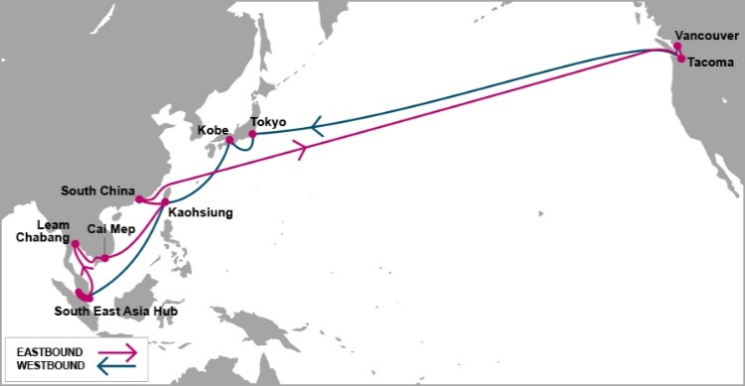

 |  | PN2 - PACIFIC NORTH WEST 2 SERVICE

Mother Vessel / Voyage | VSL CODE | ETD SSIT*** | TACOMA, WA (USTIW - 20 days) | VANCOUVER, BC (USVAN - 24 days)
 |  | FRIDAY
SEASPAN HUDSON 021E | YHDT0021E | 2021-03-05 | 2021-03-25 | 2021-03-29
BLANK SAILLING |  | 2021-03-12 | 2021-04-01 | 2021-04-05
BLANK SAILLING |  | 2021-03-19 | 2021-04-08 | 2021-04-12
EXPRESS BERLIN 020E | EBNT0020E | 2021-03-26 | 2021-04-15 | 2021-04-19
ATHOS 018E | TSQT0018E | 2021-04-02 | 2021-04-22 | 2021-04-26
BLANK SAILLING |  | 2021-04-09 | 2021-04-29 | 2021-05-03
BLANK SAILLING |  | 2021-04-16 | 2021-05-06 | 2021-05-10
SEASPAN AMAZON 021E | SECT0021E | 2021-04-23 | 2021-05-13 | 2021-05-17
YM TRIUMPH 005E | TPHT0005E | 2021-04-30 | 2021-05-20 | 2021-05-24
YM TRUTH 005E | UTHT0005E | 2021-05-07 | 2021-05-27 | 2021-05-31
TBA |  | 2021-05-14 | 2021-06-03 | 2021-06-07
EXPRESS BERLIN 021E | EBNT0021E | 2021-05-21 | 2021-06-10 | 2021-06-14
ATHOS 019E | TSQT0019E | 2021-05-28 | 2021-06-17 | 2021-06-21
Schedule is subject to changes with/without prior notice.

NEW CY CUT OFF TIME EFF ETD 17-APR |  |  | CONTACT US
Cai Mep (SSIT port): 10:00 AM Thursday |  |  | Ocean Network Express (Vietnam) Co., Ltd.
Cat Lai / ICDs (Tanamexco, Phuc Long, Transimex, Dong Nai, Binh Duong): 10:00 AM Wednesday |  |  | 3F mPlaza Saigon, 39 Le Duan Street, District 1, HCMC, VN
 |  |  | Tel & Fax: 02844582600
VGM cut off = CY cut off |  |  | CUS PIC: VN.SGN.CSVC.NA.LA@one-line.com
 |  |  | SLS PIC: VN.SGN.SALES.NA.LA@one-line.com
S/I cut off time: 10:00 AM Tuesday
Amendment B/L before: 16:00 PM Tuesday

*** SSIT: SP-SSA INTERNATIONAL TERMINAL (SSIT) |  | Address PHUOC LOC COMMUNE, PHUOC HOA WARD, BA RIA VUNG TAU PROVINCE, VIETNAM

For required information for your AMS filing, please refer via below links:
Vessel details: |  | https://www.one-line.com/en/vessels
Itinerary details: |  | https://ecomm.one-line.com/ecom/CUP_HOM_3005.do?sessLocale=en

Send SI to mail address: vn.sgn.ofs.si@one-line.com
B/L amendment or other Document issue : vn.sgn.exdoc@one-line.com

E

PS3
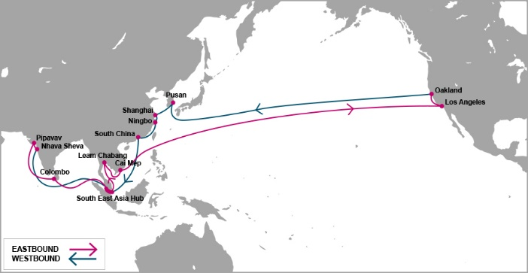

 |  | PS3 - PACIFIC SOUTH WEST 3 SERVICE

Mother Vessel / Voyage | VSL CODE | ETD TCIT | LOS ANGELES, LA (USLAX) ( 18 days) | OAKLAND, CA (USOAK) (24 days)
 |  | FRIDAY
ONE CONTINUITY 056E | OCNT0056E | 2021-04-02 | 2021-04-20 | 2021-04-26
BLANDINE 102E === T/S XIAMEN, CHINA === CONTI CONQUEST 013E | BLDT0102E | 2021-04-09 | 2021-04-27 | 2021-05-03
HYUNDAI BUSAN 128E | HDBT0128E | 2021-04-16 | 2021-05-04 | 2021-05-10
BLANK SAILLING |  | 2021-04-23 | 2021-05-11 | 2021-05-17
ONE CONTRIBUTION 046E | ONNT0046E | 2021-04-30 | 2021-05-18 | 2021-05-24
YM UPSURGENCE 048E | YUCT0048E | 2021-05-07 | 2021-05-25 | 2021-05-31
ONE COMMITMENT 052E | MITT0052E | 2021-05-14 | 2021-06-01 | 2021-06-07
ARIES 118E | AEIT0118E | 2021-05-21 | 2021-06-08 | 2021-06-14
YM UPWARD 071E | YUPT0071E | 2021-05-28 | 2021-06-15 | 2021-06-21
HYUNDAI BANGKOK 102E | HUYT0102E | 2021-06-04 | 2021-06-22 | 2021-06-28
ONE THESEUS 069E | OTHT0069E | 2021-06-11 | 2021-06-29 | 2021-07-05
ONE CONTINUITY 057E | OCNT0057E | 2021-06-18 | 2021-07-06 | 2021-07-12
TBA | TBA | 2021-06-25 | 2021-07-13 | 2021-07-19

Schedule is subject to changes with/without prior notice.
CY CUT OFF TIME |  |  | CONTACT US
Cai Mep (TCIT port): 14:00 Thursday. |  |  | Ocean Network Express (Vietnam) Co., Ltd.
Cat Lai / ICDs (Tanamexco, Phuc Long, Transimex, Dong Nai, Binh Duong): 14:00 Wednesday. |  |  | 3F mPlaza Saigon, 39 Le Duan Street, District 1, HCMC, VN
 |  |  | Tel & Fax: 02844582600
VGM cut off = CY cut off |  |  | CUS PIC: VN.SGN.CSVC.NA.LA@one-line.com
 |  |  | SLS PIC: VN.SGN.SALES.NA.LA@one-line.com
S/I cut off time: 14:00 PM Tuesday.
Amendment B/L before: 17:00 PM Tuesday

For required information for your AMS filing, please refer via below links:
Vessel details: |  | https://www.one-line.com/en/vessels
Itinerary details: |  | https://ecomm.one-line.com/ecom/CUP_HOM_3005.do?sessLocale=en

Send SI to mail address: vn.sgn.ofs.si@one-line.com
B/L amendment or other Document issue : vn.sgn.exdoc@one-line.com

PN3


 |  |  |  | FP2 - T/S HONG KONG - PN3

Vessel / Voyage | VSL CODE | ETD TCIT | ETA Hong Kong | Connecting vessel | Vssl Code | ETD Hong Kong | VANCOUVER | SEATTLE
 |  | THURSDAY |  |  |  |  | ( 25 DAYS) | ( 28 DAYS)
BLANK SAILLING |  | 2021-04-01 | 2021-04-03 | HMM PROMISE | HPRT0020E | 2021-04-05 | 2021-04-23 | 2021-04-27
ONE CRANE 019E | CRET0019E | 2021-04-08 | 2021-04-10 | YM TOTALITY | TTLT0004E | 2021-04-12 | 2021-04-30 | 2021-05-04
BLANK SAILLING |  | 2021-04-15 | 2021-04-17 | BLANK SAILLING |  | 2021-04-19 | 2021-05-07 | 2021-05-11
YM WHOLESOME 027E | YWHT0027E | 2021-04-22 | 2021-04-24 | BLANK SAILLING |  | 2021-04-26 | 2021-05-14 | 2021-05-18
ONE MANHATTAN 027E | OTNT0027E | 2021-04-29 | 2021-05-01 | BLANK SAILLING |  | 2021-05-03 | 2021-05-21 | 2021-05-25
TBA | TBA | 2021-05-06 | 2021-05-08 | SEASPAN THAMES | SEQT0021E | 2021-05-10 | 2021-05-28 | 2021-06-01
YM WISDOM 009E | WDST0009E | 2021-05-13 | 2021-05-15 | SEASPAN YANGTZE | YZET0016E | 2021-05-17 | 2021-06-04 | 2021-06-08
ONE SWAN 017E | OSWT0017E | 2021-05-20 | 2021-05-22 | TBA |  | 2021-05-24 | 2021-06-11 | 2021-06-15
YM WELLSPRING 009E | WLPT0009E | 2021-05-27 | 2021-05-29 | NAVIOS CONSTELLATION | NVCT0016E | 2021-05-31 | 2021-06-18 | 2021-06-22
TBA | TBA | 2021-06-03 | 2021-06-05 | TBA |  | 2021-06-07 | 2021-06-25 | 2021-06-29
ONE COLUMBA 011E | OCBT0011E | 2021-06-10 | 2021-06-12 | HMM PROMISE | HPRT0021E | 2021-06-14 | 2021-07-02 | 2021-07-06
TBA | TBA | 2021-06-17 | 2021-06-19 | TBA |  | 2021-06-21 | 2021-07-09 | 2021-07-13
YM WELLNESS 028E | WLLT0028E | 2021-06-24 | 2021-06-26 | SEASPAN THAMES | SEQT0022E | 2021-06-28 | 2021-07-16 | 2021-07-20

Note: Schedule is subject to change without prior notice. |  |  |  |  |  | CONTACT US
CY CUT OFF TIME |  |  |  |  |  | Ocean Network Express (Vietnam) Co., Ltd.
Cai Mep (TCIT port): 17:00 PM Tuesday |  |  |  |  |  | 3F mPlaza Saigon, 39 Le Duan Street, District 1, HCMC, VN
Cat Lai / ICDs (Tanamexco, Phuc Long, Sowatco Long Binh, Binh Duong): 17:00 PM Monday |  |  |  |  |  | Tel & Fax: 02844581222 - 02844582600

VGM cut off = CY cut off
T/S HONG KONG ONLY
S/I cut off time : 10:00 AM WEDNESDAY
Amendment B/L before: 16:00 PM WEDNESDAY

Kindly send S.I to mail address : vn.sgn.ofs.si@one-line.com
B/L amendment or other DOC issues : vn.sgn.exdoc@one-line.com

AHX


 |  | AHX-ASIA HAWAII EXPRESS

Feeder/Voyage | Vsl Code | ETD Cai Mep Friday | ETA YOKOHAMA | Mother Vessel | Vsl Code | ETD YOKOHAMA | HONOLULU, HI (YOK+16DAYS)

NYK DIANA-0093N | NDIT0093N | 2021-03-06 | 2021-03-14 |  |  | 2020-07-17 | 2020-07-28
NYK DEMETER-0092N | NDMT0092N | 2021-03-13 | 2021-03-21 | NOBILITY-0958E | NBDT0958E | 2021-03-24 | 2021-04-09
SEASPAN EMERALD-0250N | SEMT0250N | 2021-03-20 | 2021-03-28
SEASPAN EMINENCE-0114N | SMPT0114N | 2021-03-27 | 2021-04-04 | KALAMAZOO-0015E | KLZT0015E | 2021-04-07 | 2021-04-23
NYK DIANA-0094N | NDIT0094N | 2021-04-03 | 2021-04-11
NYK DEMETER-0093N | NDMT0093N | 2021-04-10 | 2021-04-18 | TALLAHASSEE-0040E | TLHT0040E | 2021-04-21 | 2021-05-07
SEASPAN EMERALD-0251N | SEMT0251N | 2021-04-17 | 2021-04-25
SEASPAN EMINENCE-0115N | SMPT0115N | 2021-04-24 | 2021-05-02 | NOBILITY-0959E | NBDT0959E | 2021-05-05 | 2021-05-21
NYK DIANA-0095N | NDIT0095N | 2021-05-01 | 2021-05-09
NYK DEMETER-0094N | NDMT0094N | 2021-05-08 | 2021-05-16 | KALAMAZOO-0016E | KLZT0016E | 2021-05-19 | 2021-06-04
SEASPAN EMERALD-0252N | SEMT0252N | 2021-05-15 | 2021-05-23
SEASPAN EMINENCE-0116N | SMPT0116N | 2021-05-22 | 2021-05-30 | TALLAHASSEE-0041E | TLHT0041E | 2021-06-02 | 2021-06-18
 |  |  |  |  |  |  | JSM
Schedule is subject to changes with/without prior notice. |  |  |  |  | CONTACT US
EFF 29-MAY-2020 |  |  |  |  | Ocean Network Express (Vietnam) Co., Ltd.
CY CUT OFF TIME |  |  |  |  | 3F mPlaza Saigon, 39 Le Duan Street, District 1, HCMC, VN
Tan Cang Cai Mep Thi Vai (TCTT Port): 08:00 AM on Friday |  |  |  |  | Tel & Fax: 02844582600
Cat Lai / ICDs (Tanamexco, Phuc Long, Transimex, Dong Nai, Binh Duong): 08:00 AM on Thursday |  |  |  |  | CUS PIC: VN.SGN.CSVC.NA.LA@one-line.com
VGM cut off = CY cut off
 |  |  |  |  | SLS PIC: VN.SGN.SALES.NA.LA@one-line.com
S/I cut off time: 10:00 AM on Wednesday
Amendment B/L before: 16:00 PM on Wednesday

For required information for your AMS filing, please refer via below links:
Vessel details: |  | https://www.one-line.com/en/vessels
Itinerary details: |  | https://ecomm.one-line.com/ecom/CUP_HOM_3005.do?sessLocale=en

Send SI to mail address: vn.sgn.ofs.si@one-line.com
B/L amendment or other Document issue : vn.sgn.exdoc@one-line.com

