EC4
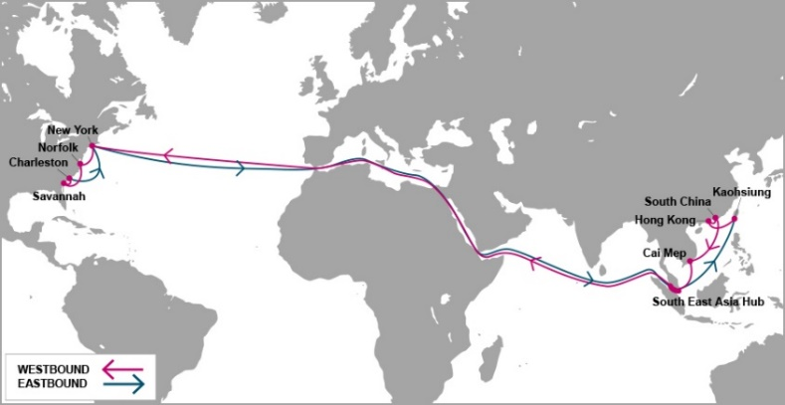

 |  | EC4 - EAST COAST 4 SERVICE

Mother Vessel / Voyage | VSL CODE | ETD TCIT | NEW YORK, NY (USNYC - 27 days) | NORFOLK, VA (USORF - 30 days) | SAVANNAH, GA (USSAV - 32 days) | CHARLESTON, SC (USCHS - 34 days)
 |  | THURSDAY
MEISHAN BRIDGE 014E | MEBT0014E | 2021-06-03 | 2021-07-01 | 2021-07-04 | 2021-07-07 | 2021-07-09
MONACO BRIDGE 015E | NCBT0015E | 2021-06-10 | 2021-07-08 | 2021-07-11 | 2021-07-14 | 2021-07-16
YM WELLHEAD 031E | YWDT0031E | 2021-06-17 | 2021-07-15 | 2021-07-18 | 2021-07-21 | 2021-07-23
YM WIDTH 023E | YWIT0023E | 2021-06-24 | 2021-07-22 | 2021-07-25 | 2021-07-28 | 2021-07-30
AL QIBLA 022E | AQBT0022E | 2021-07-01 | 2021-07-29 | 2021-08-01 | 2021-08-04 | 2021-08-06
YM WARMTH 028E | YWAT0028E | 2021-07-08 | 2021-08-05 | 2021-08-08 | 2021-08-11 | 2021-08-13
ONE MINATO 014E | OMNT0014E | 2021-07-15 | 2021-08-12 | 2021-08-15 | 2021-08-18 | 2021-08-20
ONE MUNCHEN 029E | OONT0029E | 2021-07-22 | 2021-08-19 | 2021-08-22 | 2021-08-25 | 2021-08-27
YM WITNESS 031E | WITT0031E | 2021-07-29 | 2021-08-26 | 2021-08-29 | 2021-09-01 | 2021-09-03
ONE STORK 014E | OSTT0014E | 2021-08-05 | 2021-09-02 | 2021-09-05 | 2021-09-08 | 2021-09-10
TBA |  | 2021-08-12 | 2021-09-09 | 2021-09-12 | 2021-09-15 | 2021-09-17
MADRID BRIDGE 015E | MDBT0015E | 2021-08-19 | 2021-09-16 | 2021-09-19 | 2021-09-22 | 2021-09-24
YM WIND 019E | YWBT0019E | 2021-08-26 | 2021-09-23 | 2021-09-26 | 2021-09-29 | 2021-10-01
Schedule is subject to changes with/without prior notice.

NEW CY CUT OFF TIME EFF ETD 16-MAY-2020 |  |  |  | CONTACT US
Cai Mep (TCIT port): 11:00 AM on Wednesday. |  |  |  | Ocean Network Express (Vietnam) Co., Ltd.
Cat Lai / ICDs (Tanamexco, Phuc Long, Transimex, Dong Nai, Binh Duong): 11:00 AM on Tuesday. |  |  |  | 3F mPlaza Saigon, 39 Le Duan Street, District 1, HCMC, VN
 |  |  |  | Tel & Fax: 02844582600
VGM cut off = CY cut off |  |  |  | CUS PIC: VN.SGN.CSVC.NA.LA@one-line.com
 |  |  |  | SLS PIC: VN.SGN.SALES.NA.LA@one-line.com
S/I cut off time: 10:00 AM Monday.
Amendment B/L before: 16:00 PM Monday.

For required information for your AMS filing, please refer via below links:
Vessel details: |  | https://www.one-line.com/en/vessels
Itinerary details: |  | https://ecomm.one-line.com/ecom/CUP_HOM_3005.do?sessLocale=en

Send SI to mail address: vn.sgn.ofs.si@one-line.com
B/L amendment or other Document issue : vn.sgn.exdoc@one-line.com

EC5
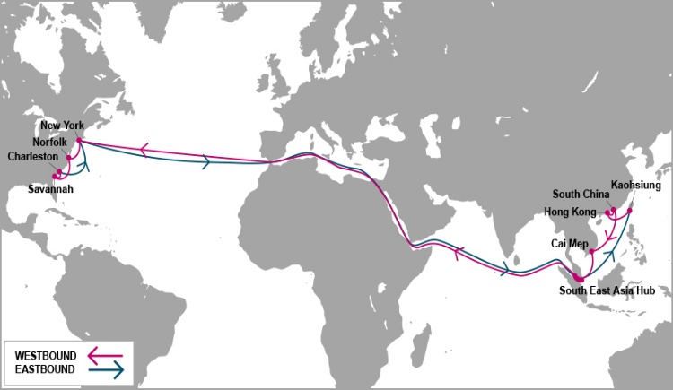

 |  | EC5 - EAST COAST 5 SERVICE

Mother Vessel / Voyage | VSL CODE | ETD TCIT | HALIFAX, NS | NEW YORK, NY (USNYC - 27 days) | SAVANNAH, GA (USSAV - 31 days) | JACKSONVILLE, FL (USJAX - 32 days) | NORFOLK, VA (USORF - 35 days)
 |  | MONDAY | (USHAL - 25 days)
BLANK SAILING |  | 2021-06-01 | 2021-06-26 | 2021-06-28 | 2021-07-02 | 2021-07-03 | 2021-07-05
NAVIOS CONTELLATION 016E | NVCT0016E | 2021-06-08 | 2021-07-03 | 2021-07-05 | 2021-07-09 | 2021-07-10 | 2021-07-12
ONE HELSINKI 045E | OHIT0045E | 2021-06-15 | 2021-07-10 | 2021-07-12 | 2021-07-16 | 2021-07-17 | 2021-07-19
MOL CHARISMA 216E | MCWT0216E | 2021-06-22 | 2021-07-17 | 2021-07-19 | 2021-07-23 | 2021-07-24 | 2021-07-26
CONTI ANNAPURNA 010E | CNOT0010E | 2021-06-29 | 2021-07-24 | 2021-07-26 | 2021-07-30 | 2021-07-31 | 2021-08-02
BLANK SAILING |  | 2021-07-06 | 2021-07-31 | 2021-08-02 | 2021-08-06 | 2021-08-07 | 2021-08-09
ONE HONOLULU 213E | HLLT0213E | 2021-07-13 | 2021-08-07 | 2021-08-09 | 2021-08-13 | 2021-08-14 | 2021-08-16
MOL MAESTRO 058E | MEGT0058E | 2021-07-20 | 2021-08-14 | 2021-08-16 | 2021-08-20 | 2021-08-21 | 2021-08-23
HUMEN BRIDGE 080E | HUET0080E | 2021-07-27 | 2021-08-21 | 2021-08-23 | 2021-08-27 | 2021-08-28 | 2021-08-30
HYUNDAI FAITH 096E | HFAT0096E | 2021-08-03 | 2021-08-28 | 2021-08-30 | 2021-09-03 | 2021-09-04 | 2021-09-06
ONE HOUSTON 046E | OHST0046E | 2021-08-10 | 2021-09-04 | 2021-09-06 | 2021-09-10 | 2021-09-11 | 2021-09-13
ONE HANGZHOU BAY 043E | ONZT0043E | 2021-08-17 | 2021-09-11 | 2021-09-13 | 2021-09-17 | 2021-09-18 | 2021-09-20
TO BE NOMINATED 002E | 7H7T0002E | 2021-08-24 | 2021-09-18 | 2021-09-20 | 2021-09-24 | 2021-09-25 | 2021-09-27

Schedule is subject to changes with/without prior notice.
CY CUT OFF TIME EFF APRIL-2020 |  |  |  |  | CONTACT US
Cai Mep (TCIT port): 21:00 PM Sunday. |  |  |  |  | Ocean Network Express (Vietnam) Co., Ltd.
Cat Lai / ICDs (Tanamexco, Phuc Long, Transimex, Dong Nai, Binh Duong): 21:00 PM Saturday. |  |  |  |  | 3F mPlaza Saigon, 39 Le Duan Street, District 1, HCMC, VN
 |  |  |  |  | Tel & Fax: 02844582600
VGM cut off = CY cut off |  |  |  |  | CUS PIC: VN.SGN.CSVC.NA.LA@one-line.com
 |  |  |  |  | SLS PIC: VN.SGN.SALES.NA.LA@one-line.com
S/I cut off time: 10:00 AM Friday.
Amendment B/L before: 16:00 PM Friday.

For required information for your AMS filing, please refer via below links:
Vessel details: |  | https://www.one-line.com/en/vessels
Itinerary details: |  | https://ecomm.one-line.com/ecom/CUP_HOM_3005.do?sessLocale=en

Send SI to mail address: vn.sgn.ofs.si@one-line.com
B/L amendment or other Document issue : vn.sgn.exdoc@one-line.com

PN2
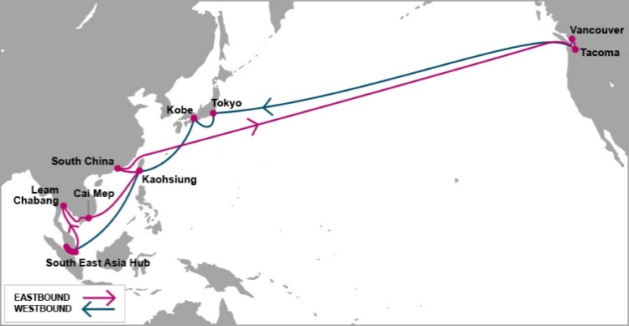

 |  | PN2 - PACIFIC NORTH WEST 2 SERVICE

Mother Vessel / Voyage | VSL CODE | ETD SSIT*** | TACOMA, WA (USTIW - 20 days) | VANCOUVER, BC (USVAN - 24 days)
 |  | FRIDAY
ATHOS 019E | TSQT0019E | 2021-06-04 | 2021-06-24 | 2021-06-28
TBA | TBA | 2021-06-11 | 2021-07-01 | 2021-07-05
SEASPAN AMAZON 022E | SECT0022E | 2021-06-18 | 2021-07-08 | 2021-07-12
YM TRIUMPH 006E | TPHT0006E | 2021-06-25 | 2021-07-15 | 2021-07-19
SEASPAN THAMES 022E | SEQT0022E | 2021-07-02 | 2021-07-22 | 2021-07-26
NAVIOS UNISON 007E | NUNT0007E | 2021-07-09 | 2021-07-29 | 2021-08-02
ONE ARCADIA 057E | OART0057E | 2021-07-16 | 2021-08-05 | 2021-08-09
YM TRUTH 006E | UTHT0006E | 2021-07-23 | 2021-08-12 | 2021-08-16
SEASPAN ZAMBEZI 024E | ZAMT0024E | 2021-07-30 | 2021-08-19 | 2021-08-23
Schedule is subject to changes with/without prior notice.

NEW CY CUT OFF TIME EFF ETD 17-APR |  |  | CONTACT US
Cai Mep (SSIT port): 10:00 AM Thursday |  |  | Ocean Network Express (Vietnam) Co., Ltd.
Cat Lai / ICDs (Tanamexco, Phuc Long, Transimex, Dong Nai, Binh Duong): 10:00 AM Wednesday |  |  | 3F mPlaza Saigon, 39 Le Duan Street, District 1, HCMC, VN
 |  |  | Tel & Fax: 02844582600
VGM cut off = CY cut off |  |  | CUS PIC: VN.SGN.CSVC.NA.LA@one-line.com
 |  |  | SLS PIC: VN.SGN.SALES.NA.LA@one-line.com
S/I cut off time: 10:00 AM Tuesday.
Amendment B/L before: 16:00 PM Tuesday.

*** SSIT: SP-SSA INTERNATIONAL TERMINAL (SSIT) |  | Address PHUOC LOC COMMUNE, PHUOC HOA WARD, BA RIA VUNG TAU PROVINCE, VIETNAM

For required information for your AMS filing, please refer via below links:
Vessel details: |  | https://www.one-line.com/en/vessels
Itinerary details: |  | https://ecomm.one-line.com/ecom/CUP_HOM_3005.do?sessLocale=en

Send SI to mail address: vn.sgn.ofs.si@one-line.com
B/L amendment or other Document issue : vn.sgn.exdoc@one-line.com

E

PS3
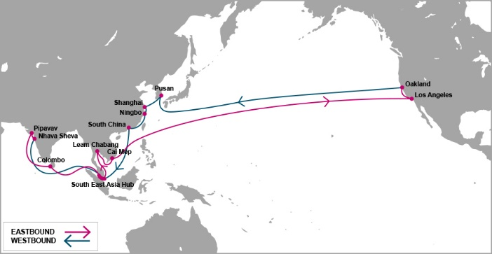

 |  | PS3 - PACIFIC SOUTH WEST 3 SERVICE

Mother Vessel / Voyage | VSL CODE | ETD TCIT | LOS ANGELES, LA (USLAX) ( 18 days) | OAKLAND, CA (USOAK) (24 days)
 |  | SATURDAY
MOL CREATION 080E | CRNT0080E | 2021-06-05 | 2021-06-22 | 2021-06-28
YM UBIQUITY 051E | YMQT0051E | 2021-06-12 | 2021-06-29 | 2021-07-05
SEASPAN ADONIS 063E | SADT0063E | 2021-06-19 | 2021-07-06 | 2021-07-12
HYUNDAI HONGKONG 129E | HHNT0129E | 2021-06-26 | 2021-07-13 | 2021-07-19
BLANK SAILLING |  | 2021-07-03 | 2021-07-20 | 2021-07-26
ONE CONTINUITY 057E | OCNT0057E | 2021-07-10 | 2021-07-27 | 2021-08-02
TBA | TBA | 2021-07-17 | 2021-08-03 | 2021-08-09
CONTI CONQUEST 014E | CCQT0014E | 2021-07-24 | 2021-08-10 | 2021-08-16
MOL CELEBRATION 084E | MEET0084E | 2021-07-31 | 2021-08-17 | 2021-08-23
ONE CONTRIBUTION 047E | ONNT0047E | 2021-08-07 | 2021-08-24 | 2021-08-30
TBA | TBA | 2021-08-14 | 2021-08-31 | 2021-09-06
TBA | TBA | 2021-08-21 | 2021-09-07 | 2021-09-13
TBA | TBA | 2021-08-28 | 2021-09-14 | 2021-09-20

Schedule is subject to changes with/without prior notice.
CY CUT OFF TIME |  |  | CONTACT US
Cai Mep (TCIT port): 22:00 Thursday. |  |  | Ocean Network Express (Vietnam) Co., Ltd.
Cat Lai / ICDs (Tanamexco, Phuc Long, Transimex, Dong Nai, Binh Duong): 22:00 Wednesday. |  |  | 3F mPlaza Saigon, 39 Le Duan Street, District 1, HCMC, VN
 |  |  | Tel & Fax: 02844582600
VGM cut off = CY cut off |  |  | CUS PIC: VN.SGN.CSVC.NA.LA@one-line.com
 |  |  | SLS PIC: VN.SGN.SALES.NA.LA@one-line.com
S/I cut off time: 16:00 PM Tuesday
Amendment B/L before: 10:00 AM Wednesday

For required information for your AMS filing, please refer via below links:
Vessel details: |  | https://www.one-line.com/en/vessels
Itinerary details: |  | https://ecomm.one-line.com/ecom/CUP_HOM_3005.do?sessLocale=en

Send SI to mail address: vn.sgn.ofs.si@one-line.com
B/L amendment or other Document issue : vn.sgn.exdoc@one-line.com

PN3


 |  |  |  | FP2 - T/S HONG KONG - PN3

Vessel / Voyage | VSL CODE | ETD TCIT | ETA Hong Kong | Connecting vessel | Vssl Code | ETD Hong Kong | VANCOUVER | SEATTLE
 |  | THURSDAY |  |  |  |  | ( 25 DAYS) | ( 28 DAYS)
BLANK SAILLING |  | 2021-04-01 | 2021-04-03 | HMM PROMISE | HPRT0020E | 2021-04-05 | 2021-04-23 | 2021-04-27
ONE CRANE 019E | CRET0019E | 2021-04-08 | 2021-04-10 | YM TOTALITY | TTLT0004E | 2021-04-12 | 2021-04-30 | 2021-05-04
BLANK SAILLING |  | 2021-04-15 | 2021-04-17 | BLANK SAILLING |  | 2021-04-19 | 2021-05-07 | 2021-05-11
YM WHOLESOME 027E | YWHT0027E | 2021-04-22 | 2021-04-24 | BLANK SAILLING |  | 2021-04-26 | 2021-05-14 | 2021-05-18
ONE MANHATTAN 027E | OTNT0027E | 2021-04-29 | 2021-05-01 | BLANK SAILLING |  | 2021-05-03 | 2021-05-21 | 2021-05-25
TBA | TBA | 2021-05-06 | 2021-05-08 | SEASPAN THAMES | SEQT0021E | 2021-05-10 | 2021-05-28 | 2021-06-01
YM WISDOM 009E | WDST0009E | 2021-05-13 | 2021-05-15 | SEASPAN YANGTZE | YZET0016E | 2021-05-17 | 2021-06-04 | 2021-06-08
ONE SWAN 017E | OSWT0017E | 2021-05-20 | 2021-05-22 | TBA |  | 2021-05-24 | 2021-06-11 | 2021-06-15
YM WELLSPRING 009E | WLPT0009E | 2021-05-27 | 2021-05-29 | NAVIOS CONSTELLATION | NVCT0016E | 2021-05-31 | 2021-06-18 | 2021-06-22
TBA | TBA | 2021-06-03 | 2021-06-05 | TBA |  | 2021-06-07 | 2021-06-25 | 2021-06-29
ONE COLUMBA 011E | OCBT0011E | 2021-06-10 | 2021-06-12 | HMM PROMISE | HPRT0021E | 2021-06-14 | 2021-07-02 | 2021-07-06
TBA | TBA | 2021-06-17 | 2021-06-19 | TBA |  | 2021-06-21 | 2021-07-09 | 2021-07-13
YM WELLNESS 028E | WLLT0028E | 2021-06-24 | 2021-06-26 | SEASPAN THAMES | SEQT0022E | 2021-06-28 | 2021-07-16 | 2021-07-20

Note: Schedule is subject to change without prior notice. |  |  |  |  |  | CONTACT US
CY CUT OFF TIME |  |  |  |  |  | Ocean Network Express (Vietnam) Co., Ltd.
Cai Mep (TCIT port): 04:00 AM Tuesday |  |  |  |  |  | 3F mPlaza Saigon, 39 Le Duan Street, District 1, HCMC, VN
Cat Lai / ICDs (Tanamexco, Phuc Long, Sowatco Long Binh, Binh Duong): 04:00 PM Monday |  |  |  |  |  | Tel & Fax: 02844581222 - 02844582600

VGM cut off = CY cut off
T/S HONG KONG ONLY
S/I cut off time : 10:00 AM WEDNESDAY
Amendment B/L before: 16:00 PM WEDNESDAY

Kindly send S.I to mail address : vn.sgn.ofs.si@one-line.com
B/L amendment or other DOC issues : vn.sgn.exdoc@one-line.com

AHX


 |  | AHX-ASIA HAWAII EXPRESS

Feeder/Voyage | Vsl Code | ETD Cai Mep Friday | ETA YOKOHAMA | Mother Vessel | Vsl Code | ETD YOKOHAMA | HONOLULU, HI (YOK+16DAYS)

NYK DIANA-0093N | NDIT0093N | 2021-03-06 | 2021-03-14 |  |  | 2020-07-17 | 2020-07-28
NYK DEMETER-0092N | NDMT0092N | 2021-03-13 | 2021-03-21 | NOBILITY-0958E | NBDT0958E | 2021-03-24 | 2021-04-09
SEASPAN EMERALD-0250N | SEMT0250N | 2021-03-20 | 2021-03-28
SEASPAN EMINENCE-0114N | SMPT0114N | 2021-03-27 | 2021-04-04 | KALAMAZOO-0015E | KLZT0015E | 2021-04-07 | 2021-04-23
NYK DIANA-0094N | NDIT0094N | 2021-04-03 | 2021-04-11
NYK DEMETER-0093N | NDMT0093N | 2021-04-10 | 2021-04-18 | TALLAHASSEE-0040E | TLHT0040E | 2021-04-21 | 2021-05-07
SEASPAN EMERALD-0251N | SEMT0251N | 2021-04-17 | 2021-04-25
SEASPAN EMINENCE-0115N | SMPT0115N | 2021-04-24 | 2021-05-02 | NOBILITY-0959E | NBDT0959E | 2021-05-05 | 2021-05-21
NYK DIANA-0095N | NDIT0095N | 2021-05-01 | 2021-05-09
NYK DEMETER-0094N | NDMT0094N | 2021-05-08 | 2021-05-16 | KALAMAZOO-0016E | KLZT0016E | 2021-05-19 | 2021-06-04
SEASPAN EMERALD-0252N | SEMT0252N | 2021-05-15 | 2021-05-23
SEASPAN EMINENCE-0116N | SMPT0116N | 2021-05-22 | 2021-05-30 | TALLAHASSEE-0041E | TLHT0041E | 2021-06-02 | 2021-06-18
 |  |  |  |  |  |  | JSM
Schedule is subject to changes with/without prior notice. |  |  |  |  | CONTACT US
EFF 29-MAY-2020 |  |  |  |  | Ocean Network Express (Vietnam) Co., Ltd.
CY CUT OFF TIME |  |  |  |  | 3F mPlaza Saigon, 39 Le Duan Street, District 1, HCMC, VN
Tan Cang Cai Mep Thi Vai (TCTT Port): 08:00 AM on Friday |  |  |  |  | Tel & Fax: 02844582600
Cat Lai / ICDs (Tanamexco, Phuc Long, Transimex, Dong Nai, Binh Duong): 08:00 AM on Thursday |  |  |  |  | CUS PIC: VN.SGN.CSVC.NA.LA@one-line.com
VGM cut off = CY cut off
 |  |  |  |  | SLS PIC: VN.SGN.SALES.NA.LA@one-line.com
S/I cut off time: 10:00 AM on Wednesday
Amendment B/L before: 16:00 PM on Wednesday

For required information for your AMS filing, please refer via below links:
Vessel details: |  | https://www.one-line.com/en/vessels
Itinerary details: |  | https://ecomm.one-line.com/ecom/CUP_HOM_3005.do?sessLocale=en

Send SI to mail address: vn.sgn.ofs.si@one-line.com
B/L amendment or other Document issue : vn.sgn.exdoc@one-line.com

